C2.1
Back to contents
 | Chart 2.1: Energy Prices
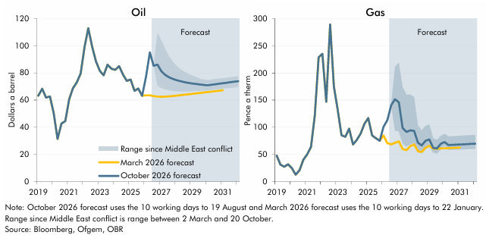

 | Oil | March 2026 forecast | October 2026 forecast | Lowest daily value since start of Middle east conflict | Highest daily value since start of Middle east conflict | Gas | March 2026 forecast | October 2026 forecast | Lowest daily value since start of Middle east conflict | Highest daily value since start of Middle east conflict
 | 2019Q1 | 63.3 | 63.3 |  |  | 2019Q1 | 48.0 | 48.0
 | 2019Q2 | 68.3 | 68.3 |  |  | 2019Q2 | 31.5 | 31.5
 | 2019Q3 | 61.9 | 61.9 |  |  | 2019Q3 | 27.4 | 27.4
 | 2019Q4 | 62.7 | 62.7 |  |  | 2019Q4 | 31.9 | 31.9
 | 2020Q1 | 50.5 | 50.5 |  |  | 2020Q1 | 24.8 | 24.8
 | 2020Q2 | 31.4 | 31.4 |  |  | 2020Q2 | 12.8 | 12.8
 | 2020Q3 | 42.7 | 42.7 |  |  | 2020Q3 | 21.1 | 21.1
 | 2020Q4 | 44.5 | 44.5 |  |  | 2020Q4 | 40.5 | 40.5
 | 2021Q1 | 60.6 | 60.6 |  |  | 2021Q1 | 50.0 | 50.0
 | 2021Q2 | 68.6 | 68.6 |  |  | 2021Q2 | 64.0 | 64.0
 | 2021Q3 | 73.0 | 73.0 |  |  | 2021Q3 | 121.0 | 121.0
 | 2021Q4 | 79.6 | 79.6 |  |  | 2021Q4 | 228.6 | 228.6
 | 2022Q1 | 99.0 | 99.0 |  |  | 2022Q1 | 235.0 | 235.0
 | 2022Q2 | 112.7 | 112.7 |  |  | 2022Q2 | 147.0 | 147.0
 | 2022Q3 | 99.2 | 99.2 |  |  | 2022Q3 | 289.1 | 289.1
 | 2022Q4 | 88.4 | 88.4 |  |  | 2022Q4 | 174.9 | 174.9
 | 2023Q1 | 81.4 | 81.4 |  |  | 2023Q1 | 131.7 | 131.7
 | 2023Q2 | 78.2 | 78.2 |  |  | 2023Q2 | 85.2 | 85.2
 | 2023Q3 | 86.0 | 86.0 |  |  | 2023Q3 | 82.6 | 82.6
 | 2023Q4 | 83.1 | 83.1 |  |  | 2023Q4 | 97.5 | 97.5
 | 2024Q1 | 82.2 | 82.2 |  |  | 2024Q1 | 68.5 | 68.5
 | 2024Q2 | 84.9 | 84.9 |  |  | 2024Q2 | 76.6 | 76.6
 | 2024Q3 | 79.0 | 79.0 |  |  | 2024Q3 | 88.4 | 88.4
 | 2024Q4 | 74.2 | 74.2 |  |  | 2024Q4 | 106.6 | 106.6
 | 2025Q1 | 75.1 | 75.1 |  |  | 2025Q1 | 116.9 | 116.9
 | 2025Q2 | 66.8 | 66.8 |  |  | 2025Q2 | 85.0 | 85.0
 | 2025Q3 | 68.5 | 68.5 |  |  | 2025Q3 | 79.9 | 79.9
 | 2025Q4 | 63.1 | 63.1 |  |  | 2025Q4 | 75.2 | 75.0
 | 2026Q1 | 63.5 | 77.0 |  |  | 2026Q1 | 85.0 | 100.7
 | 2026Q2 | 63.5 | 95.0 |  |  | 2026Q2 | 70.6 | 113.3
 | 2026Q3 | 62.9 | 85.2 |  |  | 2026Q3 | 68.7 | 140.9
 | 2026Q4 | 62.5 | 86.1 | 70.4 | 109.3 | 2026Q4 | 71.4 | 151.5 | 94.1 | 211.3
 | 2027Q1 | 62.4 | 81.3 | 69.0 | 104.1 | 2027Q1 | 74.3 | 145.9 | 92.5 | 218.5
 | 2027Q2 | 62.5 | 78.5 | 67.9 | 97.5 | 2027Q2 | 60.1 | 98.9 | 70.0 | 173.6
 | 2027Q3 | 62.7 | 76.8 | 67.2 | 92.2 | 2027Q3 | 57.9 | 91.6 | 64.5 | 159.8
 | 2027Q4 | 63.0 | 75.6 | 66.8 | 88.1 | 2027Q4 | 65.1 | 94.4 | 68.8 | 159.7
 | 2028Q1 | 63.2 | 74.6 | 66.5 | 84.9 | 2028Q1 | 68.7 | 93.6 | 71.5 | 155.9
 | 2028Q2 | 63.6 | 73.9 | 66.4 | 82.7 | 2028Q2 | 55.9 | 71.6 | 54.9 | 103.3
 | 2028Q3 | 63.9 | 73.2 | 66.3 | 80.8 | 2028Q3 | 54.5 | 66.8 | 52.4 | 94.2
 | 2028Q4 | 64.2 | 72.7 | 66.4 | 79.4 | 2028Q4 | 62.4 | 75.2 | 60.4 | 102.6
 | 2029Q1 | 64.6 | 72.2 | 66.5 | 78.0 | 2029Q1 | 66.1 | 77.5 | 64.5 | 105.0
 | 2029Q2 | 64.9 | 71.9 | 66.7 | 77.1 | 2029Q2 | 60.5 | 62.1 | 53.7 | 79.5
 | 2029Q3 | 65.2 | 71.5 | 66.8 | 75.8 | 2029Q3 | 60.8 | 61.0 | 51.6 | 76.9
 | 2029Q4 | 65.6 | 71.1 | 66.9 | 75.1 | 2029Q4 | 61.1 | 69.7 | 59.5 | 84.3
 | 2030Q1 | 65.9 | 70.9 | 67.1 | 74.6 | 2030Q1 | 61.4 | 73.0 | 66.1 | 88.0
 | 2030Q2 | 66.2 | 71.2 | 67.5 | 75.0 | 2030Q2 | 61.7 | 67.3 | 58.4 | 83.2
 | 2030Q3 | 66.5 | 71.6 | 67.8 | 75.4 | 2030Q3 | 62.0 | 67.7 | 58.7 | 83.6
 | 2030Q4 | 66.9 | 72.0 | 68.1 | 75.8 | 2030Q4 | 62.3 | 68.0 | 59.0 | 84.1
 | 2031Q1 | 67.2 | 72.4 | 68.5 | 76.2 | 2031Q1 | 62.6 | 68.4 | 59.3 | 84.5
 | 2031Q2 |  | 72.8 | 68.8 | 76.5 | 2031Q2 |  | 68.8 | 59.6 | 84.8
 | 2031Q3 |  | 73.1 | 69.1 | 76.8 | 2031Q3 |  | 69.1 | 59.8 | 85.2
 | 2031Q4 |  | 73.5 | 69.3 | 77.1 | 2031Q4 |  | 69.5 | 60.1 | 85.5
 | 2032Q1 |  | 73.9 | 69.6 | 77.4 | 2032Q1 |  | 69.9 | 60.3 | 85.9

C2.A
Back to contents
 | Chart A: Fossil fuel price inflation

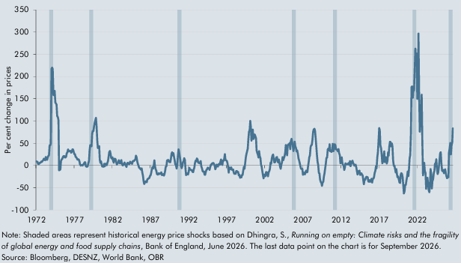

 |  | Fossil Fuels Inflation Index
 | Jan-72 | 9.3
 | Feb-72 | 8.5
 | Mar-72 | 7.9
 | Apr-72 | 3.3
 | May-72 | 3.3
 | Jun-72 | 5.0
 | Jul-72 | 6.3
 | Aug-72 | 6.8
 | Sep-72 | 8.7
 | Oct-72 | 8.2
 | Nov-72 | 10.4
 | Dec-72 | 12.2
 | Jan-73 | 15.3
 | Feb-73 | 13.3
 | Mar-73 | 11.9
 | Apr-73 | 19.0
 | May-73 | 16.9
 | Jun-73 | 12.9
 | Jul-73 | 18.1
 | Aug-73 | 21.3
 | Sep-73 | 23.7
 | Oct-73 | 45.3
 | Nov-73 | 45.2
 | Dec-73 | 49.1
 | Jan-74 | 217.6
 | Feb-74 | 219.8
 | Mar-74 | 216.6
 | Apr-74 | 158.3
 | May-74 | 160.4
 | Jun-74 | 167.7
 | Jul-74 | 141.0
 | Aug-74 | 139.6
 | Sep-74 | 136.9
 | Oct-74 | 111.4
 | Nov-74 | 108.4
 | Dec-74 | 101.9
 | Jan-75 | -10.9
 | Feb-75 | -10.1
 | Mar-75 | -8.4
 | Apr-75 | 10.5
 | May-75 | 14.0
 | Jun-75 | 14.9
 | Jul-75 | 19.2
 | Aug-75 | 20.9
 | Sep-75 | 21.1
 | Oct-75 | 18.0
 | Nov-75 | 18.1
 | Dec-75 | 19.8
 | Jan-76 | 27.4
 | Feb-76 | 29.3
 | Mar-76 | 36.1
 | Apr-76 | 31.9
 | May-76 | 31.8
 | Jun-76 | 32.8
 | Jul-76 | 32.7
 | Aug-76 | 28.6
 | Sep-76 | 30.8
 | Oct-76 | 36.2
 | Nov-76 | 35.6
 | Dec-76 | 30.7
 | Jan-77 | 25.3
 | Feb-77 | 25.3
 | Mar-77 | 19.6
 | Apr-77 | 18.4
 | May-77 | 15.9
 | Jun-77 | 13.1
 | Jul-77 | 14.3
 | Aug-77 | 13.0
 | Sep-77 | 9.3
 | Oct-77 | 2.6
 | Nov-77 | 0.0
 | Dec-77 | 0.4
 | Jan-78 | 1.1
 | Feb-78 | 0.0
 | Mar-78 | 2.2
 | Apr-78 | 3.8
 | May-78 | 7.1
 | Jun-78 | 7.6
 | Jul-78 | -1.0
 | Aug-78 | -2.4
 | Sep-78 | -3.1
 | Oct-78 | -1.3
 | Nov-78 | 4.9
 | Dec-78 | 10.8
 | Jan-79 | 33.2
 | Feb-79 | 45.8
 | Mar-79 | 45.5
 | Apr-79 | 43.2
 | May-79 | 70.6
 | Jun-79 | 77.5
 | Jul-79 | 77.4
 | Aug-79 | 87.5
 | Sep-79 | 95.2
 | Oct-79 | 101.5
 | Nov-79 | 106.9
 | Dec-79 | 89.4
 | Jan-80 | 56.2
 | Feb-80 | 39.3
 | Mar-80 | 41.9
 | Apr-80 | 43.5
 | May-80 | 13.0
 | Jun-80 | 6.0
 | Jul-80 | 9.3
 | Aug-80 | 2.0
 | Sep-80 | -2.4
 | Oct-80 | -2.0
 | Nov-80 | -2.9
 | Dec-80 | 3.8
 | Jan-81 | -1.7
 | Feb-81 | 4.1
 | Mar-81 | 2.8
 | Apr-81 | 0.8
 | May-81 | 5.4
 | Jun-81 | 10.4
 | Jul-81 | 20.5
 | Aug-81 | 30.2
 | Sep-81 | 32.6
 | Oct-81 | 26.8
 | Nov-81 | 17.4
 | Dec-81 | 15.3
 | Jan-82 | 18.2
 | Feb-82 | 10.5
 | Mar-82 | 6.6
 | Apr-82 | 15.0
 | May-82 | 15.0
 | Jun-82 | 14.3
 | Jul-82 | 7.0
 | Aug-82 | 2.0
 | Sep-82 | 4.8
 | Oct-82 | 7.0
 | Nov-82 | 11.8
 | Dec-82 | 5.5
 | Jan-83 | 4.8
 | Feb-83 | 9.2
 | Mar-83 | 12.2
 | Apr-83 | 4.1
 | May-83 | 0.2
 | Jun-83 | 0.7
 | Jul-83 | 3.3
 | Aug-83 | 6.6
 | Sep-83 | 2.2
 | Oct-83 | 0.2
 | Nov-83 | -3.3
 | Dec-83 | 4.3
 | Jan-84 | 6.3
 | Feb-84 | 4.7
 | Mar-84 | 2.9
 | Apr-84 | 4.1
 | May-84 | 8.6
 | Jun-84 | 6.6
 | Jul-84 | 5.0
 | Aug-84 | 3.9
 | Sep-84 | 10.1
 | Oct-84 | 10.2
 | Nov-84 | 9.8
 | Dec-84 | 12.6
 | Jan-85 | 13.2
 | Feb-85 | 22.0
 | Mar-85 | 19.1
 | Apr-85 | 9.2
 | May-85 | 3.8
 | Jun-85 | 0.0
 | Jul-85 | -5.2
 | Aug-85 | -5.6
 | Sep-85 | -7.9
 | Oct-85 | -9.3
 | Nov-85 | -6.5
 | Dec-85 | -15.3
 | Jan-86 | -23.6
 | Feb-86 | -35.0
 | Mar-86 | -41.5
 | Apr-86 | -39.1
 | May-86 | -35.4
 | Jun-86 | -36.3
 | Jul-86 | -37.7
 | Aug-86 | -30.7
 | Sep-86 | -30.2
 | Oct-86 | -28.8
 | Nov-86 | -28.4
 | Dec-86 | -23.4
 | Jan-87 | -22.3
 | Feb-87 | -17.2
 | Mar-87 | -8.0
 | Apr-87 | -3.5
 | May-87 | -7.1
 | Jun-87 | -0.3
 | Jul-87 | 11.5
 | Aug-87 | -1.8
 | Sep-87 | -8.6
 | Oct-87 | -11.5
 | Nov-87 | -18.6
 | Dec-87 | -20.4
 | Jan-88 | -20.1
 | Feb-88 | -17.2
 | Mar-88 | -18.6
 | Apr-88 | -19.3
 | May-88 | -18.1
 | Jun-88 | -15.3
 | Jul-88 | -21.8
 | Aug-88 | -20.4
 | Sep-88 | -19.4
 | Oct-88 | -22.6
 | Nov-88 | -18.6
 | Dec-88 | -12.1
 | Jan-89 | -2.6
 | Feb-89 | -1.4
 | Mar-89 | 11.3
 | Apr-89 | 12.1
 | May-89 | 12.7
 | Jun-89 | 8.8
 | Jul-89 | 7.8
 | Aug-89 | 7.5
 | Sep-89 | 14.6
 | Oct-89 | 25.9
 | Nov-89 | 29.5
 | Dec-89 | 22.5
 | Jan-90 | 27.6
 | Feb-90 | 19.6
 | Mar-90 | 11.3
 | Apr-90 | 2.4
 | May-90 | 1.0
 | Jun-90 | -6.7
 | Jul-90 | 1.0
 | Aug-90 | 20.5
 | Sep-90 | 36.3
 | Oct-90 | 29.8
 | Nov-90 | 20.8
 | Dec-90 | 12.3
 | Jan-91 | -1.6
 | Feb-91 | -6.0
 | Mar-91 | -1.6
 | Apr-91 | 7.6
 | May-91 | 9.2
 | Jun-91 | 16.3
 | Jul-91 | 12.7
 | Aug-91 | -7.4
 | Sep-91 | -21.5
 | Oct-91 | -17.6
 | Nov-91 | -18.1
 | Dec-91 | -20.1
 | Jan-92 | -15.1
 | Feb-92 | -5.1
 | Mar-92 | -8.5
 | Apr-92 | -9.4
 | May-92 | -10.1
 | Jun-92 | -10.4
 | Jul-92 | -14.1
 | Aug-92 | -15.1
 | Sep-92 | -8.6
 | Oct-92 | -4.5
 | Nov-92 | 5.4
 | Dec-92 | 10.9
 | Jan-93 | 9.4
 | Feb-93 | 15.9
 | Mar-93 | 13.3
 | Apr-93 | 6.3
 | May-93 | 6.0
 | Jun-93 | 5.2
 | Jul-93 | 7.2
 | Aug-93 | 10.0
 | Sep-93 | -1.8
 | Oct-93 | -6.5
 | Nov-93 | -12.6
 | Dec-93 | -14.0
 | Jan-94 | -13.4
 | Feb-94 | -20.4
 | Mar-94 | -21.1
 | Apr-94 | -13.6
 | May-94 | -10.1
 | Jun-94 | -8.7
 | Jul-94 | -4.8
 | Aug-94 | -6.5
 | Sep-94 | -6.2
 | Oct-94 | -9.8
 | Nov-94 | -3.3
 | Dec-94 | 1.9
 | Jan-95 | 1.3
 | Feb-95 | 5.2
 | Mar-95 | 5.0
 | Apr-95 | 5.5
 | May-95 | 2.8
 | Jun-95 | -0.8
 | Jul-95 | -8.3
 | Aug-95 | -4.4
 | Sep-95 | 1.9
 | Oct-95 | -1.4
 | Nov-95 | -2.5
 | Dec-95 | 2.4
 | Jan-96 | 3.8
 | Feb-96 | 1.7
 | Mar-96 | 8.8
 | Apr-96 | 13.5
 | May-96 | 3.5
 | Jun-96 | 1.4
 | Jul-96 | 11.2
 | Aug-96 | 10.5
 | Sep-96 | 14.4
 | Oct-96 | 25.6
 | Nov-96 | 12.4
 | Dec-96 | 11.5
 | Jan-97 | 10.4
 | Feb-97 | 6.1
 | Mar-97 | -2.3
 | Apr-97 | -15.9
 | May-97 | -4.3
 | Jun-97 | -5.1
 | Jul-97 | -8.2
 | Aug-97 | -4.2
 | Sep-97 | -9.0
 | Oct-97 | -10.3
 | Nov-97 | -9.0
 | Dec-97 | -15.6
 | Jan-98 | -18.9
 | Feb-98 | -17.5
 | Mar-98 | -18.8
 | Apr-98 | -12.4
 | May-98 | -12.4
 | Jun-98 | -15.1
 | Jul-98 | -14.5
 | Aug-98 | -21.9
 | Sep-98 | -20.7
 | Oct-98 | -27.4
 | Nov-98 | -26.0
 | Dec-98 | -26.7
 | Jan-99 | -21.4
 | Feb-99 | -21.3
 | Mar-99 | -10.3
 | Apr-99 | -2.9
 | May-99 | -7.4
 | Jun-99 | 4.1
 | Jul-99 | 18.7
 | Aug-99 | 25.8
 | Sep-99 | 31.2
 | Oct-99 | 38.0
 | Nov-99 | 58.6
 | Dec-99 | 74.9
 | Jan-00 | 80.2
 | Feb-00 | 100.3
 | Mar-00 | 86.4
 | Apr-00 | 55.8
 | May-00 | 78.8
 | Jun-00 | 80.7
 | Jul-00 | 59.6
 | Aug-00 | 63.5
 | Sep-00 | 69.7
 | Oct-00 | 66.4
 | Nov-00 | 61.0
 | Dec-00 | 34.0
 | Jan-01 | 28.6
 | Feb-01 | 24.2
 | Mar-01 | 18.0
 | Apr-01 | 32.1
 | May-01 | 21.1
 | Jun-01 | 16.6
 | Jul-01 | 2.0
 | Aug-01 | -2.1
 | Sep-01 | -13.2
 | Oct-01 | -21.5
 | Nov-01 | -28.9
 | Dec-01 | -20.4
 | Jan-02 | -22.2
 | Feb-02 | -23.9
 | Mar-02 | -14.9
 | Apr-02 | -15.2
 | May-02 | -20.3
 | Jun-02 | -24.4
 | Jul-02 | -14.9
 | Aug-02 | -12.6
 | Sep-02 | -7.3
 | Oct-02 | 6.5
 | Nov-02 | 4.5
 | Dec-02 | 15.9
 | Jan-03 | 22.7
 | Feb-03 | 24.6
 | Mar-03 | 14.4
 | Apr-03 | 6.9
 | May-03 | 7.2
 | Jun-03 | 13.9
 | Jul-03 | 17.9
 | Aug-03 | 19.1
 | Sep-03 | 9.7
 | Oct-03 | 6.9
 | Nov-03 | 13.3
 | Dec-03 | 5.8
 | Jan-04 | -2.7
 | Feb-04 | -7.4
 | Mar-04 | 2.3
 | Apr-04 | 7.3
 | May-04 | 18.8
 | Jun-04 | 12.1
 | Jul-04 | 17.0
 | Aug-04 | 20.4
 | Sep-04 | 29.2
 | Oct-04 | 45.9
 | Nov-04 | 33.1
 | Dec-04 | 23.2
 | Jan-05 | 44.8
 | Feb-05 | 47.5
 | Mar-05 | 46.1
 | Apr-05 | 50.3
 | May-05 | 36.8
 | Jun-05 | 54.4
 | Jul-05 | 59.8
 | Aug-05 | 52.4
 | Sep-05 | 44.9
 | Oct-05 | 32.5
 | Nov-05 | 43.6
 | Dec-05 | 53.4
 | Jan-06 | 43.6
 | Feb-06 | 39.2
 | Mar-06 | 31.8
 | Apr-06 | 33.8
 | May-06 | 25.9
 | Jun-06 | 15.8
 | Jul-06 | 11.3
 | Aug-06 | 4.7
 | Sep-06 | -1.7
 | Oct-06 | -7.0
 | Nov-06 | -7.8
 | Dec-06 | -7.5
 | Jan-07 | -20.6
 | Feb-07 | -17.1
 | Mar-07 | -16.1
 | Apr-07 | -19.9
 | May-07 | -15.0
 | Jun-07 | -11.6
 | Jul-07 | -15.3
 | Aug-07 | -14.9
 | Sep-07 | -1.3
 | Oct-07 | 7.5
 | Nov-07 | 18.9
 | Dec-07 | 22.2
 | Jan-08 | 41.5
 | Feb-08 | 45.5
 | Mar-08 | 46.0
 | Apr-08 | 59.2
 | May-08 | 75.6
 | Jun-08 | 80.9
 | Jul-08 | 82.6
 | Aug-08 | 78.5
 | Sep-08 | 62.1
 | Oct-08 | 42.0
 | Nov-08 | 23.4
 | Dec-08 | 8.6
 | Jan-09 | 1.7
 | Feb-09 | -16.5
 | Mar-09 | -17.7
 | Apr-09 | -31.1
 | May-09 | -37.1
 | Jun-09 | -38.6
 | Jul-09 | -45.6
 | Aug-09 | -37.8
 | Sep-09 | -36.5
 | Oct-09 | -24.8
 | Nov-09 | -17.8
 | Dec-09 | -5.8
 | Jan-10 | 4.1
 | Feb-10 | 16.7
 | Mar-10 | 18.2
 | Apr-10 | 35.7
 | May-10 | 37.9
 | Jun-10 | 33.7
 | Jul-10 | 47.9
 | Aug-10 | 31.6
 | Sep-10 | 33.9
 | Oct-10 | 30.7
 | Nov-10 | 33.7
 | Dec-10 | 48.8
 | Jan-11 | 32.3
 | Feb-11 | 38.5
 | Mar-11 | 47.9
 | Apr-11 | 45.3
 | May-11 | 36.3
 | Jun-11 | 36.5
 | Jul-11 | 34.4
 | Aug-11 | 32.1
 | Sep-11 | 36.9
 | Oct-11 | 27.9
 | Nov-11 | 23.5
 | Dec-11 | 5.0
 | Jan-12 | 9.2
 | Feb-12 | 18.1
 | Mar-12 | 5.6
 | Apr-12 | 1.9
 | May-12 | -0.6
 | Jun-12 | -9.8
 | Jul-12 | -5.0
 | Aug-12 | 4.8
 | Sep-12 | 2.4
 | Oct-12 | 3.5
 | Nov-12 | 2.4
 | Dec-12 | 3.9
 | Jan-13 | 5.6
 | Feb-13 | 1.2
 | Mar-13 | 9.8
 | Apr-13 | -1.3
 | May-13 | 4.0
 | Jun-13 | 8.9
 | Jul-13 | 10.6
 | Aug-13 | 5.3
 | Sep-13 | 3.4
 | Oct-13 | -0.3
 | Nov-13 | 0.6
 | Dec-13 | 1.9
 | Jan-14 | -4.8
 | Feb-14 | -12.6
 | Mar-14 | -20.3
 | Apr-14 | -12.6
 | May-14 | -12.6
 | Jun-14 | -11.5
 | Jul-14 | -21.1
 | Aug-14 | -20.7
 | Sep-14 | -17.4
 | Oct-14 | -20.1
 | Nov-14 | -22.6
 | Dec-14 | -32.6
 | Jan-15 | -41.9
 | Feb-15 | -31.1
 | Mar-15 | -31.9
 | Apr-15 | -27.7
 | May-15 | -25.4
 | Jun-15 | -25.8
 | Jul-15 | -26.6
 | Aug-15 | -35.8
 | Sep-15 | -36.5
 | Oct-15 | -32.8
 | Nov-15 | -36.5
 | Dec-15 | -34.6
 | Jan-16 | -29.9
 | Feb-16 | -38.1
 | Mar-16 | -29.8
 | Apr-16 | -29.6
 | May-16 | -25.4
 | Jun-16 | -16.9
 | Jul-16 | -11.6
 | Aug-16 | -1.7
 | Sep-16 | -6.1
 | Oct-16 | 18.3
 | Nov-16 | 29.2
 | Dec-16 | 52.1
 | Jan-17 | 84.1
 | Feb-17 | 78.7
 | Mar-17 | 45.4
 | Apr-17 | 38.5
 | May-17 | 23.6
 | Jun-17 | 5.2
 | Jul-17 | 8.0
 | Aug-17 | 21.9
 | Sep-17 | 31.6
 | Oct-17 | 7.7
 | Nov-17 | 18.8
 | Dec-17 | 16.9
 | Jan-18 | 4.6
 | Feb-18 | 10.1
 | Mar-18 | 29.4
 | Apr-18 | 22.2
 | May-18 | 41.8
 | Jun-18 | 53.5
 | Jul-18 | 52.3
 | Aug-18 | 42.9
 | Sep-18 | 49.5
 | Oct-18 | 42.1
 | Nov-18 | 12.0
 | Dec-18 | -0.5
 | Jan-19 | 0.0
 | Feb-19 | -7.2
 | Mar-19 | -15.6
 | Apr-19 | -8.0
 | May-19 | -19.1
 | Jun-19 | -26.5
 | Jul-19 | -24.9
 | Aug-19 | -31.4
 | Sep-19 | -37.8
 | Oct-19 | -39.3
 | Nov-19 | -20.3
 | Dec-19 | -17.1
 | Jan-20 | -19.7
 | Feb-20 | -27.0
 | Mar-20 | -44.2
 | Apr-20 | -62.5
 | May-20 | -57.6
 | Jun-20 | -43.5
 | Jul-20 | -43.4
 | Aug-20 | -32.7
 | Sep-20 | -25.1
 | Oct-20 | -13.6
 | Nov-20 | -23.7
 | Dec-20 | -7.4
 | Jan-21 | 16.0
 | Feb-21 | 23.3
 | Mar-21 | 72.7
 | Apr-21 | 176.2
 | May-21 | 177.8
 | Jun-21 | 152.4
 | Jul-21 | 176.4
 | Aug-21 | 168.8
 | Sep-21 | 218.2
 | Oct-21 | 262.7
 | Nov-21 | 239.0
 | Dec-21 | 251.5
 | Jan-22 | 150.0
 | Feb-22 | 166.6
 | Mar-22 | 296.4
 | Apr-22 | 151.4
 | May-22 | 76.1
 | Jun-22 | 97.8
 | Jul-22 | 126.7
 | Aug-22 | 159.1
 | Sep-22 | 57.4
 | Oct-22 | -22.2
 | Nov-22 | -11.2
 | Dec-22 | 5.9
 | Jan-23 | -12.1
 | Feb-23 | -17.1
 | Mar-23 | -52.5
 | Apr-23 | -31.4
 | May-23 | -27.8
 | Jun-23 | -40.1
 | Jul-23 | -55.2
 | Aug-23 | -60.0
 | Sep-23 | -44.7
 | Oct-23 | -8.2
 | Nov-23 | -19.3
 | Dec-23 | -51.7
 | Jan-24 | -34.2
 | Feb-24 | -31.6
 | Mar-24 | -17.3
 | Apr-24 | -12.3
 | May-24 | 4.1
 | Jun-24 | 4.8
 | Jul-24 | 13.9
 | Aug-24 | -6.3
 | Sep-24 | -19.1
 | Oct-24 | -15.3
 | Nov-24 | -4.4
 | Dec-24 | 10.0
 | Jan-25 | 27.6
 | Feb-25 | 29.7
 | Mar-25 | 7.1
 | Apr-25 | -11.2
 | May-25 | -13.0
 | Jun-25 | -10.0
 | Jul-25 | -17.3
 | Aug-25 | -12.7
 | Sep-25 | -8.7
 | Oct-25 | -17.9
 | Nov-25 | -24.3
 | Dec-25 | -28.6
 | Jan-26 | -25.4
 | Feb-26 | -26.4
 | Mar-26 | 29.5
 | Apr-26 | 37.5
 | May-26 | 50.8
 | Jun-26 | 25.0
 | Jul-26 | 44.6
 | Aug-26 | 51.8
 | Sep-26 | 83.4

C2.B
Back to contents
 | Chart B: Sources and dependence of UK energy Supply since 1970

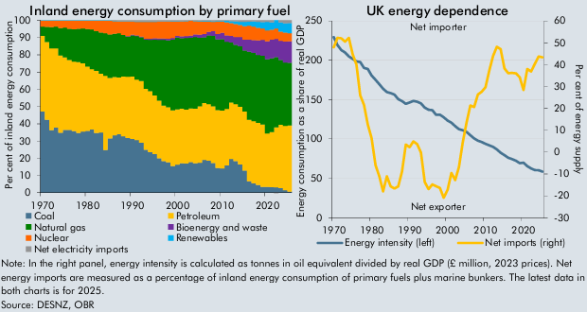

 | Inland energy consumption by primary fuel | Coal | Petroleum | Natural gas | Bioenergy and waste | Nuclear | Renewables | Net electricity imports | UK energy dependence | Net imports (right) | Energy intensity (left)
 | 1970 | 47.1 | 44.0 | 5.4 | 0.0 | 3.3 | 0.2 | 0.0 | 1970 | 47.9 | 229.4
 | 1971 | 42.3 | 45.1 | 8.8 | 0.0 | 3.6 | 0.1 | 0.0 | 1971 | 52.2 | 219.1
 | 1972 | 36.4 | 47.5 | 12.3 | 0.0 | 3.7 | 0.1 | 0.0 | 1972 | 52.0 | 212.9
 | 1973 | 37.7 | 46.0 | 12.7 | 0.0 | 3.4 | 0.1 | 0.0 | 1973 | 50.5 | 209.8
 | 1974 | 34.8 | 44.8 | 15.9 | 0.0 | 4.3 | 0.2 | 0.0 | 1974 | 52.2 | 204.8
 | 1975 | 36.4 | 42.0 | 17.4 | 0.0 | 4.0 | 0.1 | 0.0 | 1975 | 44.8 | 201.7
 | 1976 | 36.5 | 40.6 | 18.1 | 0.0 | 4.7 | 0.2 | 0.0 | 1976 | 40.0 | 198.6
 | 1977 | 35.7 | 40.4 | 18.7 | 0.0 | 5.0 | 0.1 | 0.0 | 1977 | 25.9 | 197.7
 | 1978 | 34.6 | 41.2 | 19.4 | 0.0 | 4.7 | 0.1 | 0.0 | 1978 | 21.6 | 190.3
 | 1979 | 35.5 | 39.5 | 20.2 | 0.0 | 4.6 | 0.2 | 0.0 | 1979 | 12.6 | 188.9
 | 1980 | 35.8 | 37.3 | 21.9 | 0.0 | 4.8 | 0.1 | 0.0 | 1980 | 6.4 | 180.7
 | 1981 | 36.7 | 35.0 | 22.9 | 0.0 | 5.1 | 0.2 | 0.0 | 1981 | -6.0 | 175.1
 | 1982 | 34.7 | 36.0 | 23.0 | 0.0 | 6.1 | 0.2 | 0.0 | 1982 | -11.1 | 169.6
 | 1983 | 34.9 | 34.1 | 23.9 | 0.0 | 6.9 | 0.2 | 0.0 | 1983 | -18.0 | 163.8
 | 1984 | 24.8 | 43.1 | 24.5 | 0.0 | 7.4 | 0.2 | 0.0 | 1984 | -11.1 | 159.6
 | 1985 | 31.5 | 35.1 | 25.2 | 0.0 | 8.0 | 0.2 | 0.0 | 1985 | -15.7 | 158.3
 | 1986 | 33.3 | 33.9 | 25.1 | 0.0 | 7.3 | 0.2 | 0.2 | 1986 | -16.7 | 156.3
 | 1987 | 34.0 | 32.9 | 25.6 | 0.0 | 6.8 | 0.2 | 0.5 | 1987 | -15.7 | 150.5
 | 1988 | 32.8 | 34.7 | 24.1 | 0.0 | 7.8 | 0.2 | 0.5 | 1988 | -8.9 | 148.0
 | 1989 | 31.7 | 35.7 | 23.2 | 0.3 | 8.4 | 0.2 | 0.5 | 1989 | 3.4 | 144.6
 | 1990 | 31.3 | 36.1 | 24.0 | 0.3 | 7.6 | 0.2 | 0.5 | 1990 | 2.2 | 146.3
 | 1991 | 30.6 | 35.1 | 25.2 | 0.3 | 7.9 | 0.2 | 0.6 | 1991 | 4.9 | 148.2
 | 1992 | 29.1 | 35.8 | 25.4 | 0.4 | 8.5 | 0.2 | 0.7 | 1992 | 3.7 | 147.3
 | 1993 | 24.9 | 35.4 | 28.5 | 0.5 | 9.8 | 0.2 | 0.7 | 1993 | -0.2 | 145.2
 | 1994 | 23.6 | 35.3 | 29.8 | 0.7 | 9.7 | 0.2 | 0.7 | 1994 | -13.7 | 139.8
 | 1995 | 22.5 | 34.0 | 32.3 | 0.8 | 9.6 | 0.2 | 0.6 | 1995 | -16.9 | 137.2
 | 1996 | 20.0 | 33.4 | 35.3 | 0.8 | 9.7 | 0.1 | 0.6 | 1996 | -14.8 | 136.5
 | 1997 | 18.3 | 32.3 | 38.1 | 0.8 | 9.7 | 0.2 | 0.6 | 1997 | -15.6 | 130.6
 | 1998 | 17.7 | 32.0 | 38.9 | 0.9 | 9.9 | 0.2 | 0.5 | 1998 | -16.4 | 130.8
 | 1999 | 15.6 | 32.3 | 41.0 | 0.9 | 9.5 | 0.2 | 0.5 | 1999 | -20.9 | 127.6
 | 2000 | 16.4 | 32.1 | 41.7 | 1.0 | 8.2 | 0.2 | 0.5 | 2000 | -17.2 | 123.4
 | 2001 | 17.1 | 31.7 | 40.9 | 1.1 | 8.7 | 0.2 | 0.4 | 2001 | -9.6 | 120.6
 | 2002 | 16.9 | 31.3 | 41.5 | 1.2 | 8.6 | 0.2 | 0.3 | 2002 | -12.8 | 116.2
 | 2003 | 17.8 | 31.2 | 40.9 | 1.3 | 8.6 | 0.2 | 0.1 | 2003 | -6.8 | 112.3
 | 2004 | 17.1 | 31.7 | 41.5 | 1.5 | 7.7 | 0.2 | 0.3 | 2004 | 4.5 | 111.0
 | 2005 | 17.4 | 32.7 | 39.8 | 1.7 | 7.7 | 0.3 | 0.3 | 2005 | 13.5 | 109.0
 | 2006 | 19.1 | 33.0 | 38.2 | 1.9 | 7.3 | 0.3 | 0.3 | 2006 | 21.3 | 104.7
 | 2007 | 18.6 | 32.9 | 39.9 | 2.0 | 6.0 | 0.4 | 0.2 | 2007 | 20.6 | 100.6
 | 2008 | 17.2 | 33.0 | 40.9 | 2.7 | 5.3 | 0.5 | 0.4 | 2008 | 26.4 | 97.9
 | 2009 | 14.4 | 33.6 | 40.9 | 3.2 | 7.2 | 0.6 | 0.1 | 2009 | 27.6 | 96.1
 | 2010 | 14.1 | 33.6 | 41.4 | 3.6 | 6.6 | 0.6 | 0.1 | 2010 | 29.7 | 93.8
 | 2011 | 15.9 | 32.8 | 38.9 | 3.7 | 7.5 | 0.9 | 0.3 | 2011 | 37.3 | 91.9
 | 2012 | 19.6 | 32.7 | 34.8 | 3.9 | 7.3 | 1.1 | 0.5 | 2012 | 44.0 | 90.0
 | 2013 | 18.5 | 33.0 | 34.4 | 4.5 | 7.6 | 1.5 | 0.6 | 2013 | 48.2 | 86.7
 | 2014 | 16.4 | 33.5 | 35.1 | 5.4 | 6.9 | 1.8 | 0.9 | 2014 | 47.0 | 82.5
 | 2015 | 12.9 | 34.2 | 35.4 | 6.3 | 7.9 | 2.4 | 0.9 | 2015 | 38.3 | 79.5
 | 2016 | 6.7 | 35.6 | 39.5 | 7.0 | 8.0 | 2.4 | 0.8 | 2016 | 36.1 | 76.1
 | 2017 | 5.4 | 36.1 | 39.7 | 7.4 | 7.8 | 3.0 | 0.7 | 2017 | 36.2 | 74.5
 | 2018 | 4.5 | 36.0 | 39.5 | 8.4 | 7.4 | 3.4 | 0.9 | 2018 | 36.0 | 72.3
 | 2019 | 3.3 | 36.3 | 39.9 | 9.1 | 6.5 | 3.8 | 1.0 | 2019 | 34.2 | 69.3
 | 2020 | 3.5 | 30.9 | 43.1 | 10.4 | 6.4 | 4.9 | 0.9 | 2020 | 28.4 | 69.7
 | 2021 | 3.3 | 31.9 | 42.8 | 10.7 | 5.8 | 4.2 | 1.2 | 2021 | 38.0 | 65.5
 | 2022 | 3.1 | 34.8 | 40.8 | 10.6 | 6.0 | 5.0 | -0.3 | 2022 | 36.8 | 62.5
 | 2023 | 2.8 | 36.8 | 37.5 | 11.1 | 5.3 | 5.3 | 1.2 | 2023 | 40.4 | 60.5
 | 2024 | 1.5 | 37.2 | 36.8 | 12.1 | 5.3 | 5.3 | 1.7 | 2024 | 43.7 | 60.3
 | 2025 | 0.8 | 38.2 | 36.4 | 12.4 | 4.8 | 5.8 | 1.6 | 2025 | 43.3 | 58.4

C2.C
Back to contents
 | Chart C: Initial contitions for previous energy shocks

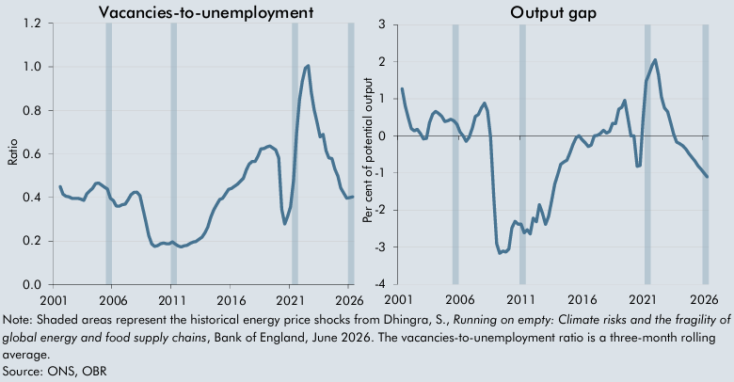

 |  | Vacancies to unemployment ratio |  | Output Gap
 | 2001Q1 |  | 2001Q1
 | 2001Q2 |  | 2001Q2 | 1.3
 | 2001Q3 | 0.5 | 2001Q3 | 0.8
 | 2001Q4 | 0.4 | 2001Q4 | 0.5
 | 2002Q1 | 0.4 | 2002Q1 | 0.2
 | 2002Q2 | 0.4 | 2002Q2 | 0.1
 | 2002Q3 | 0.4 | 2002Q3 | 0.2
 | 2002Q4 | 0.4 | 2002Q4 | 0.1
 | 2003Q1 | 0.4 | 2003Q1 | -0.1
 | 2003Q2 | 0.4 | 2003Q2 | -0.1
 | 2003Q3 | 0.4 | 2003Q3 | 0.4
 | 2003Q4 | 0.4 | 2003Q4 | 0.6
 | 2004Q1 | 0.4 | 2004Q1 | 0.7
 | 2004Q2 | 0.4 | 2004Q2 | 0.6
 | 2004Q3 | 0.5 | 2004Q3 | 0.5
 | 2004Q4 | 0.5 | 2004Q4 | 0.4
 | 2005Q1 | 0.5 | 2005Q1 | 0.4
 | 2005Q2 | 0.4 | 2005Q2 | 0.4
 | 2005Q3 | 0.4 | 2005Q3 | 0.4
 | 2005Q4 | 0.4 | 2005Q4 | 0.3
 | 2006Q1 | 0.4 | 2006Q1 | 0.1
 | 2006Q2 | 0.4 | 2006Q2 | 0.0
 | 2006Q3 | 0.4 | 2006Q3 | -0.1
 | 2006Q4 | 0.4 | 2006Q4 | 0.0
 | 2007Q1 | 0.4 | 2007Q1 | 0.2
 | 2007Q2 | 0.4 | 2007Q2 | 0.5
 | 2007Q3 | 0.4 | 2007Q3 | 0.6
 | 2007Q4 | 0.4 | 2007Q4 | 0.8
 | 2008Q1 | 0.4 | 2008Q1 | 0.9
 | 2008Q2 | 0.4 | 2008Q2 | 0.7
 | 2008Q3 | 0.4 | 2008Q3 | 0.0
 | 2008Q4 | 0.3 | 2008Q4 | -1.6
 | 2009Q1 | 0.2 | 2009Q1 | -2.9
 | 2009Q2 | 0.2 | 2009Q2 | -3.2
 | 2009Q3 | 0.2 | 2009Q3 | -3.1
 | 2009Q4 | 0.2 | 2009Q4 | -3.1
 | 2010Q1 | 0.2 | 2010Q1 | -3.0
 | 2010Q2 | 0.2 | 2010Q2 | -2.5
 | 2010Q3 | 0.2 | 2010Q3 | -2.3
 | 2010Q4 | 0.2 | 2010Q4 | -2.4
 | 2011Q1 | 0.2 | 2011Q1 | -2.4
 | 2011Q2 | 0.2 | 2011Q2 | -2.6
 | 2011Q3 | 0.2 | 2011Q3 | -2.5
 | 2011Q4 | 0.2 | 2011Q4 | -2.6
 | 2012Q1 | 0.2 | 2012Q1 | -2.2
 | 2012Q2 | 0.2 | 2012Q2 | -2.3
 | 2012Q3 | 0.2 | 2012Q3 | -1.9
 | 2012Q4 | 0.2 | 2012Q4 | -2.1
 | 2013Q1 | 0.2 | 2013Q1 | -2.4
 | 2013Q2 | 0.2 | 2013Q2 | -2.2
 | 2013Q3 | 0.2 | 2013Q3 | -1.8
 | 2013Q4 | 0.2 | 2013Q4 | -1.3
 | 2014Q1 | 0.3 | 2014Q1 | -1.0
 | 2014Q2 | 0.3 | 2014Q2 | -0.8
 | 2014Q3 | 0.3 | 2014Q3 | -0.7
 | 2014Q4 | 0.4 | 2014Q4 | -0.7
 | 2015Q1 | 0.4 | 2015Q1 | -0.5
 | 2015Q2 | 0.4 | 2015Q2 | -0.2
 | 2015Q3 | 0.4 | 2015Q3 | -0.1
 | 2015Q4 | 0.4 | 2015Q4 | 0.0
 | 2016Q1 | 0.4 | 2016Q1 | -0.1
 | 2016Q2 | 0.5 | 2016Q2 | -0.2
 | 2016Q3 | 0.5 | 2016Q3 | -0.3
 | 2016Q4 | 0.5 | 2016Q4 | -0.2
 | 2017Q1 | 0.5 | 2017Q1 | 0.0
 | 2017Q2 | 0.5 | 2017Q2 | 0.0
 | 2017Q3 | 0.6 | 2017Q3 | 0.1
 | 2017Q4 | 0.6 | 2017Q4 | 0.2
 | 2018Q1 | 0.6 | 2018Q1 | 0.1
 | 2018Q2 | 0.6 | 2018Q2 | 0.1
 | 2018Q3 | 0.6 | 2018Q3 | 0.3
 | 2018Q4 | 0.6 | 2018Q4 | 0.3
 | 2019Q1 | 0.6 | 2019Q1 | 0.7
 | 2019Q2 | 0.6 | 2019Q2 | 0.8
 | 2019Q3 | 0.6 | 2019Q3 | 1.0
 | 2019Q4 | 0.6 | 2019Q4 | 0.5
 | 2020Q1 | 0.6 | 2020Q1 | 0.0
 | 2020Q2 | 0.3 | 2020Q2 | 0.0
 | 2020Q3 | 0.3 | 2020Q3 | -0.8
 | 2020Q4 | 0.3 | 2020Q4 | -0.8
 | 2021Q1 | 0.4 | 2021Q1 | 0.5
 | 2021Q2 | 0.5 | 2021Q2 | 1.5
 | 2021Q3 | 0.7 | 2021Q3 | 1.7
 | 2021Q4 | 0.8 | 2021Q4 | 1.9
 | 2022Q1 | 0.9 | 2022Q1 | 2.1
 | 2022Q2 | 1.0 | 2022Q2 | 1.7
 | 2022Q3 | 1.0 | 2022Q3 | 1.1
 | 2022Q4 | 0.9 | 2022Q4 | 0.8
 | 2023Q1 | 0.8 | 2023Q1 | 0.7
 | 2023Q2 | 0.7 | 2023Q2 | 0.4
 | 2023Q3 | 0.7 | 2023Q3 | 0.1
 | 2023Q4 | 0.7 | 2023Q4 | -0.2
 | 2024Q1 | 0.6 | 2024Q1 | -0.2
 | 2024Q2 | 0.6 | 2024Q2 | -0.3
 | 2024Q3 | 0.6 | 2024Q3 | -0.3
 | 2024Q4 | 0.5 | 2024Q4 | -0.5
 | 2025Q1 | 0.5 | 2025Q1 | -0.6
 | 2025Q2 | 0.4 | 2025Q2 | -0.7
 | 2025Q3 | 0.4 | 2025Q3 | -0.8
 | 2025Q4 | 0.4 | 2025Q4 | -0.9
 | 2026Q1 | 0.4 | 2026Q1 | -1.0
 | 2026Q2 | 0.4 | 2026Q2 | -1.1

C2.2
Back to contents
 | Chart 2.2: Interest rates

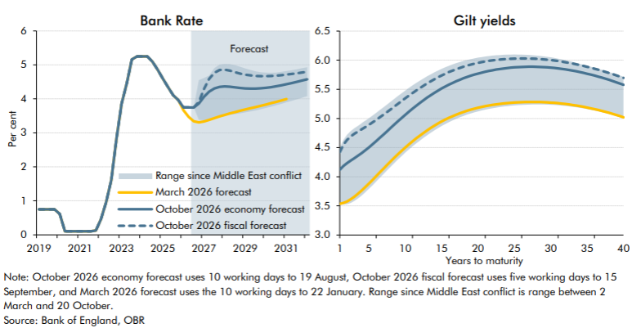

 | Bank Rate | October 2026 economy forecast | October 2026 fiscal forecast | March 2026 forecast | Lowest daily value since start of Middle east conflict | Highest daily value since start of Middle east conflict | Yield curve | October 2026 economy forecast | October 2026 fiscal forecast | March 2026 forecast | Lowest daily value since start of Middle east conflict | Highest daily value since start of Middle east conflict
 | 2019Q1 | 0.8 | 0.8 | 0.8 |  |  | 1.0 | 4.1 | 4.4 | 3.5 | 3.5 | 4.5
 | 2019Q2 | 0.8 | 0.8 | 0.8 |  |  | 1.5 | 4.2 | 4.6 | 3.6 | 3.5 | 4.6
 | 2019Q3 | 0.8 | 0.8 | 0.8 |  |  | 2.0 | 4.2 | 4.6 | 3.6 | 3.5 | 4.7
 | 2019Q4 | 0.8 | 0.8 | 0.8 |  |  | 2.5 | 4.3 | 4.7 | 3.6 | 3.5 | 4.8
 | 2020Q1 | 0.6 | 0.6 | 0.6 |  |  | 3.0 | 4.3 | 4.7 | 3.7 | 3.6 | 4.8
 | 2020Q2 | 0.1 | 0.1 | 0.1 |  |  | 3.5 | 4.4 | 4.8 | 3.7 | 3.6 | 4.9
 | 2020Q3 | 0.1 | 0.1 | 0.1 |  |  | 4.0 | 4.4 | 4.8 | 3.8 | 3.7 | 4.9
 | 2020Q4 | 0.1 | 0.1 | 0.1 |  |  | 4.5 | 4.5 | 4.9 | 3.8 | 3.7 | 5.0
 | 2021Q1 | 0.1 | 0.1 | 0.1 |  |  | 5.0 | 4.5 | 4.9 | 3.9 | 3.8 | 5.0
 | 2021Q2 | 0.1 | 0.1 | 0.1 |  |  | 5.5 | 4.6 | 4.9 | 3.9 | 3.9 | 5.1
 | 2021Q3 | 0.1 | 0.1 | 0.1 |  |  | 6.0 | 4.6 | 5.0 | 4.0 | 3.9 | 5.1
 | 2021Q4 | 0.1 | 0.1 | 0.1 |  |  | 6.5 | 4.7 | 5.0 | 4.1 | 4.0 | 5.1
 | 2022Q1 | 0.5 | 0.5 | 0.5 |  |  | 7.0 | 4.7 | 5.1 | 4.1 | 4.0 | 5.2
 | 2022Q2 | 1.0 | 1.0 | 1.0 |  |  | 7.5 | 4.8 | 5.1 | 4.2 | 4.1 | 5.2
 | 2022Q3 | 1.6 | 1.6 | 1.6 |  |  | 8.0 | 4.8 | 5.2 | 4.3 | 4.2 | 5.3
 | 2022Q4 | 2.8 | 2.8 | 2.8 |  |  | 8.5 | 4.9 | 5.2 | 4.3 | 4.2 | 5.3
 | 2023Q1 | 3.9 | 3.9 | 3.9 |  |  | 9.0 | 5.0 | 5.3 | 4.4 | 4.3 | 5.4
 | 2023Q2 | 4.5 | 4.5 | 4.5 |  |  | 9.5 | 5.0 | 5.3 | 4.4 | 4.4 | 5.4
 | 2023Q3 | 5.2 | 5.2 | 5.2 |  |  | 10.0 | 5.1 | 5.3 | 4.5 | 4.4 | 5.5
 | 2023Q4 | 5.3 | 5.3 | 5.3 |  |  | 10.5 | 5.1 | 5.4 | 4.6 | 4.5 | 5.5
 | 2024Q1 | 5.3 | 5.3 | 5.3 |  |  | 11.0 | 5.2 | 5.4 | 4.6 | 4.5 | 5.6
 | 2024Q2 | 5.3 | 5.3 | 5.3 |  |  | 11.5 | 5.2 | 5.5 | 4.7 | 4.6 | 5.6
 | 2024Q3 | 5.1 | 5.1 | 5.1 |  |  | 12.0 | 5.3 | 5.5 | 4.7 | 4.6 | 5.6
 | 2024Q4 | 4.9 | 4.9 | 4.9 |  |  | 12.5 | 5.3 | 5.6 | 4.8 | 4.7 | 5.7
 | 2025Q1 | 4.6 | 4.6 | 4.6 |  |  | 13.0 | 5.4 | 5.6 | 4.8 | 4.7 | 5.7
 | 2025Q2 | 4.3 | 4.3 | 4.3 |  |  | 13.5 | 5.4 | 5.6 | 4.8 | 4.8 | 5.8
 | 2025Q3 | 4.1 | 4.1 | 4.1 |  |  | 14.0 | 5.4 | 5.7 | 4.9 | 4.8 | 5.8
 | 2025Q4 | 4.0 | 4.0 | 4.0 |  |  | 14.5 | 5.5 | 5.7 | 4.9 | 4.8 | 5.8
 | 2026Q1 | 3.8 | 3.8 | 3.7 |  |  | 15.0 | 5.5 | 5.7 | 4.9 | 4.9 | 5.9
 | 2026Q2 | 3.8 | 3.8 | 3.5 |  |  | 15.5 | 5.5 | 5.8 | 5.0 | 4.9 | 5.9
 | 2026Q3 | 3.7 | 3.8 | 3.3 |  |  | 16.0 | 5.6 | 5.8 | 5.0 | 4.9 | 5.9
 | 2026Q4 | 3.9 | 3.9 | 3.3 | 3.4 | 4.5 | 16.5 | 5.6 | 5.8 | 5.0 | 5.0 | 5.9
 | 2027Q1 | 4.1 | 4.3 | 3.3 | 3.4 | 4.6 | 17.0 | 5.6 | 5.8 | 5.1 | 5.0 | 5.9
 | 2027Q2 | 4.2 | 4.6 | 3.4 | 3.4 | 4.7 | 17.5 | 5.7 | 5.9 | 5.1 | 5.0 | 6.0
 | 2027Q3 | 4.3 | 4.8 | 3.4 | 3.4 | 4.9 | 18.0 | 5.7 | 5.9 | 5.1 | 5.0 | 6.0
 | 2027Q4 | 4.4 | 4.8 | 3.5 | 3.5 | 5.0 | 18.5 | 5.7 | 5.9 | 5.1 | 5.1 | 6.0
 | 2028Q1 | 4.4 | 4.9 | 3.5 | 3.5 | 5.0 | 19.0 | 5.7 | 5.9 | 5.2 | 5.1 | 6.0
 | 2028Q2 | 4.4 | 4.8 | 3.6 | 3.5 | 5.0 | 19.5 | 5.8 | 5.9 | 5.2 | 5.1 | 6.0
 | 2028Q3 | 4.3 | 4.8 | 3.6 | 3.6 | 5.0 | 20.0 | 5.8 | 6.0 | 5.2 | 5.1 | 6.0
 | 2028Q4 | 4.3 | 4.7 | 3.6 | 3.6 | 4.9 | 20.5 | 5.8 | 6.0 | 5.2 | 5.1 | 6.1
 | 2029Q1 | 4.3 | 4.7 | 3.7 | 3.6 | 4.9 | 21.0 | 5.8 | 6.0 | 5.2 | 5.2 | 6.1
 | 2029Q2 | 4.3 | 4.7 | 3.7 | 3.6 | 4.8 | 21.5 | 5.8 | 6.0 | 5.2 | 5.2 | 6.1
 | 2029Q3 | 4.3 | 4.7 | 3.8 | 3.7 | 4.8 | 22.0 | 5.8 | 6.0 | 5.2 | 5.2 | 6.1
 | 2029Q4 | 4.3 | 4.7 | 3.8 | 3.7 | 4.8 | 22.5 | 5.8 | 6.0 | 5.2 | 5.2 | 6.1
 | 2030Q1 | 4.3 | 4.7 | 3.8 | 3.7 | 4.8 | 23.0 | 5.8 | 6.0 | 5.3 | 5.2 | 6.1
 | 2030Q2 | 4.3 | 4.7 | 3.9 | 3.8 | 4.8 | 23.5 | 5.9 | 6.0 | 5.3 | 5.2 | 6.1
 | 2030Q3 | 4.4 | 4.7 | 3.9 | 3.8 | 4.8 | 24.0 | 5.9 | 6.0 | 5.3 | 5.2 | 6.1
 | 2030Q4 | 4.4 | 4.7 | 4.0 | 3.9 | 4.8 | 24.5 | 5.9 | 6.0 | 5.3 | 5.2 | 6.1
 | 2031Q1 | 4.4 | 4.7 | 4.0 | 3.9 | 4.8 | 25.0 | 5.9 | 6.0 | 5.3 | 5.2 | 6.1
 | 2031Q2 | 4.5 | 4.7 |  | 3.9 | 4.8 | 25.5 | 5.9 | 6.0 | 5.3 | 5.2 | 6.1
 | 2031Q3 | 4.5 | 4.8 |  | 4.0 | 4.9 | 26.0 | 5.9 | 6.0 | 5.3 | 5.2 | 6.1
 | 2031Q4 | 4.5 | 4.8 |  | 4.0 | 4.9 | 26.5 | 5.9 | 6.0 | 5.3 | 5.2 | 6.1
 | 2032Q1 | 4.6 | 4.8 |  | 4.1 | 4.9 | 27.0 | 5.9 | 6.0 | 5.3 | 5.2 | 6.1
 |  |  |  |  |  |  | 27.5 | 5.9 | 6.0 | 5.3 | 5.2 | 6.1
 |  |  |  |  |  |  | 28.0 | 5.9 | 6.0 | 5.3 | 5.2 | 6.1
 |  |  |  |  |  |  | 28.5 | 5.9 | 6.0 | 5.3 | 5.2 | 6.1
 |  |  |  |  |  |  | 29.0 | 5.9 | 6.0 | 5.3 | 5.2 | 6.1
 |  |  |  |  |  |  | 29.5 | 5.9 | 6.0 | 5.3 | 5.2 | 6.1
 |  |  |  |  |  |  | 30.0 | 5.9 | 6.0 | 5.3 | 5.2 | 6.0
 |  |  |  |  |  |  | 30.5 | 5.9 | 6.0 | 5.3 | 5.2 | 6.0
 |  |  |  |  |  |  | 31.0 | 5.9 | 6.0 | 5.3 | 5.2 | 6.0
 |  |  |  |  |  |  | 31.5 | 5.9 | 6.0 | 5.3 | 5.2 | 6.0
 |  |  |  |  |  |  | 32.0 | 5.8 | 6.0 | 5.2 | 5.2 | 6.0
 |  |  |  |  |  |  | 32.5 | 5.8 | 6.0 | 5.2 | 5.2 | 6.0
 |  |  |  |  |  |  | 33.0 | 5.8 | 5.9 | 5.2 | 5.2 | 6.0
 |  |  |  |  |  |  | 33.5 | 5.8 | 5.9 | 5.2 | 5.2 | 6.0
 |  |  |  |  |  |  | 34.0 | 5.8 | 5.9 | 5.2 | 5.2 | 5.9
 |  |  |  |  |  |  | 34.5 | 5.8 | 5.9 | 5.2 | 5.2 | 5.9
 |  |  |  |  |  |  | 35.0 | 5.8 | 5.9 | 5.2 | 5.2 | 5.9
 |  |  |  |  |  |  | 35.5 | 5.8 | 5.9 | 5.2 | 5.1 | 5.9
 |  |  |  |  |  |  | 36.0 | 5.7 | 5.9 | 5.2 | 5.1 | 5.9
 |  |  |  |  |  |  | 36.5 | 5.7 | 5.8 | 5.1 | 5.1 | 5.9
 |  |  |  |  |  |  | 37.0 | 5.7 | 5.8 | 5.1 | 5.1 | 5.8
 |  |  |  |  |  |  | 37.5 | 5.7 | 5.8 | 5.1 | 5.1 | 5.8
 |  |  |  |  |  |  | 38.0 | 5.7 | 5.8 | 5.1 | 5.1 | 5.8
 |  |  |  |  |  |  | 38.5 | 5.6 | 5.8 | 5.1 | 5.1 | 5.8
 |  |  |  |  |  |  | 39.0 | 5.6 | 5.7 | 5.1 | 5.0 | 5.8
 |  |  |  |  |  |  | 39.5 | 5.6 | 5.7 | 5.0 | 5.0 | 5.7
 |  |  |  |  |  |  | 40.0 | 5.6 | 5.7 | 5.0 | 5.0 | 5.7

C2.3
Back to contents
 | Chart 2.3: International comparison of 10-year government bond yields

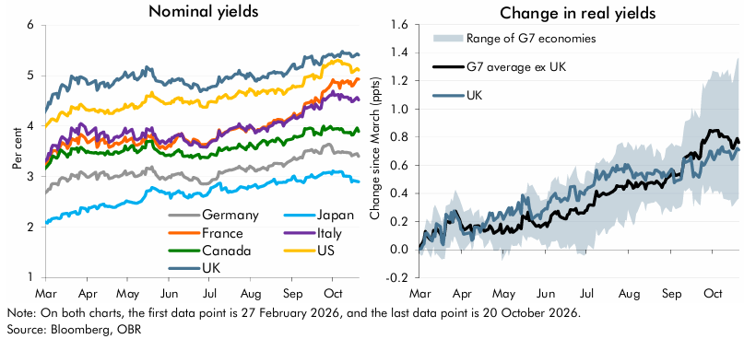

 | Nominal yields | UK | US | Canada | Italy | France | Japan | Germany | Change in real yields | UK | G7 average ex UK | Lowest in G7 | Highest in G7
 | 2026-02-27 | 4.2 | 3.9 | 3.1 | 3.3 | 3.2 | 2.1 | 2.6 | 2026-02-27 | 0.0 | 0.0 | 0.0 | 0.0
 | 2026-03-02 | 4.4 | 4.0 | 3.2 | 3.4 | 3.3 | 2.1 | 2.7 | 2026-03-02 | 0.0 | 0.0 | 0.0 | 0.1
 | 2026-03-03 | 4.5 | 4.1 | 3.2 | 3.5 | 3.4 | 2.1 | 2.8 | 2026-03-03 | 0.0 | 0.0 | 0.0 | 0.1
 | 2026-03-04 | 4.4 | 4.1 | 3.3 | 3.4 | 3.3 | 2.1 | 2.7 | 2026-03-04 | 0.0 | 0.1 | 0.0 | 0.1
 | 2026-03-05 | 4.5 | 4.1 | 3.3 | 3.6 | 3.5 | 2.2 | 2.8 | 2026-03-05 | 0.1 | 0.1 | 0.0 | 0.2
 | 2026-03-06 | 4.6 | 4.1 | 3.4 | 3.6 | 3.5 | 2.2 | 2.9 | 2026-03-06 | 0.1 | 0.1 | 0.0 | 0.2
 | 2026-03-09 | 4.6 | 4.1 | 3.4 | 3.6 | 3.5 | 2.2 | 2.9 | 2026-03-09 | 0.1 | 0.1 | -0.1 | 0.2
 | 2026-03-10 | 4.6 | 4.2 | 3.4 | 3.5 | 3.4 | 2.2 | 2.8 | 2026-03-10 | 0.1 | 0.1 | 0.0 | 0.2
 | 2026-03-11 | 4.7 | 4.2 | 3.5 | 3.7 | 3.6 | 2.2 | 2.9 | 2026-03-11 | 0.1 | 0.1 | 0.0 | 0.3
 | 2026-03-12 | 4.8 | 4.3 | 3.5 | 3.7 | 3.6 | 2.2 | 3.0 | 2026-03-12 | 0.1 | 0.1 | 0.0 | 0.3
 | 2026-03-13 | 4.8 | 4.3 | 3.5 | 3.8 | 3.7 | 2.3 | 3.0 | 2026-03-13 | 0.2 | 0.2 | 0.0 | 0.3
 | 2026-03-16 | 4.8 | 4.2 | 3.4 | 3.7 | 3.6 | 2.3 | 3.0 | 2026-03-16 | 0.2 | 0.1 | -0.1 | 0.2
 | 2026-03-17 | 4.7 | 4.2 | 3.4 | 3.7 | 3.6 | 2.3 | 2.9 | 2026-03-17 | 0.1 | 0.1 | -0.1 | 0.2
 | 2026-03-18 | 4.7 | 4.3 | 3.5 | 3.7 | 3.6 | 2.2 | 2.9 | 2026-03-18 | 0.0 | 0.1 | -0.1 | 0.2
 | 2026-03-19 | 4.8 | 4.3 | 3.4 | 3.8 | 3.6 | 2.3 | 3.0 | 2026-03-19 | 0.1 | 0.1 | -0.1 | 0.2
 | 2026-03-20 | 5.0 | 4.4 | 3.6 | 4.0 | 3.8 | 2.3 | 3.0 | 2026-03-20 | 0.3 | 0.2 | 0.0 | 0.3
 | 2026-03-23 | 4.9 | 4.3 | 3.5 | 3.9 | 3.7 | 2.3 | 3.0 | 2026-03-23 | 0.2 | 0.2 | 0.0 | 0.3
 | 2026-03-24 | 5.0 | 4.4 | 3.6 | 4.0 | 3.8 | 2.3 | 3.0 | 2026-03-24 | 0.3 | 0.2 | 0.1 | 0.4
 | 2026-03-25 | 4.8 | 4.3 | 3.5 | 3.8 | 3.7 | 2.3 | 3.0 | 2026-03-25 | 0.2 | 0.2 | 0.1 | 0.3
 | 2026-03-26 | 5.0 | 4.4 | 3.6 | 4.0 | 3.8 | 2.3 | 3.1 | 2026-03-26 | 0.3 | 0.3 | 0.1 | 0.4
 | 2026-03-27 | 5.0 | 4.4 | 3.6 | 4.0 | 3.8 | 2.4 | 3.1 | 2026-03-27 | 0.3 | 0.3 | 0.1 | 0.4
 | 2026-03-30 | 4.9 | 4.4 | 3.5 | 4.0 | 3.8 | 2.4 | 3.0 | 2026-03-30 | 0.2 | 0.2 | 0.0 | 0.4
 | 2026-03-31 | 4.9 | 4.3 | 3.5 | 3.9 | 3.7 | 2.3 | 3.0 | 2026-03-31 | 0.1 | 0.2 | 0.0 | 0.3
 | 2026-04-01 | 4.8 | 4.3 | 3.5 | 3.8 | 3.7 | 2.3 | 3.0 | 2026-04-01 | 0.1 | 0.2 | 0.0 | 0.3
 | 2026-04-02 | 4.8 | 4.3 | 3.5 | 3.9 | 3.7 | 2.4 | 3.0 | 2026-04-02 | 0.1 | 0.1 | 0.0 | 0.3
 | 2026-04-03 | 4.8 | 4.3 | 3.5 | 3.9 | 3.7 | 2.4 | 3.0 | 2026-04-03 | 0.1 | 0.1 | 0.0 | 0.3
 | 2026-04-06 | 4.9 | 4.3 | 3.5 | 3.9 | 3.8 | 2.4 | 3.1 | 2026-04-06 | 0.1 | 0.2 | 0.0 | 0.3
 | 2026-04-07 | 4.9 | 4.3 | 3.5 | 4.0 | 3.8 | 2.4 | 3.1 | 2026-04-07 | 0.1 | 0.2 | 0.1 | 0.3
 | 2026-04-08 | 4.7 | 4.3 | 3.5 | 3.7 | 3.6 | 2.4 | 2.9 | 2026-04-08 | 0.1 | 0.1 | 0.0 | 0.3
 | 2026-04-09 | 4.7 | 4.3 | 3.4 | 3.7 | 3.6 | 2.4 | 3.0 | 2026-04-09 | 0.1 | 0.1 | 0.0 | 0.2
 | 2026-04-10 | 4.8 | 4.3 | 3.5 | 3.8 | 3.7 | 2.4 | 3.1 | 2026-04-10 | 0.2 | 0.2 | 0.1 | 0.3
 | 2026-04-13 | 4.9 | 4.3 | 3.5 | 3.9 | 3.7 | 2.5 | 3.1 | 2026-04-13 | 0.2 | 0.2 | 0.1 | 0.3
 | 2026-04-14 | 4.8 | 4.2 | 3.4 | 3.8 | 3.7 | 2.4 | 3.0 | 2026-04-14 | 0.1 | 0.1 | 0.1 | 0.2
 | 2026-04-15 | 4.8 | 4.3 | 3.5 | 3.8 | 3.7 | 2.4 | 3.0 | 2026-04-15 | 0.2 | 0.2 | 0.1 | 0.2
 | 2026-04-16 | 4.8 | 4.3 | 3.5 | 3.8 | 3.7 | 2.4 | 3.0 | 2026-04-16 | 0.2 | 0.2 | 0.1 | 0.2
 | 2026-04-17 | 4.8 | 4.3 | 3.4 | 3.7 | 3.6 | 2.4 | 3.0 | 2026-04-17 | 0.2 | 0.1 | 0.0 | 0.2
 | 2026-04-20 | 4.8 | 4.3 | 3.4 | 3.7 | 3.6 | 2.4 | 3.0 | 2026-04-20 | 0.2 | 0.1 | 0.0 | 0.2
 | 2026-04-21 | 4.9 | 4.3 | 3.5 | 3.8 | 3.7 | 2.4 | 3.0 | 2026-04-21 | 0.3 | 0.2 | 0.1 | 0.3
 | 2026-04-22 | 4.9 | 4.3 | 3.5 | 3.8 | 3.7 | 2.4 | 3.0 | 2026-04-22 | 0.2 | 0.2 | 0.1 | 0.2
 | 2026-04-23 | 4.9 | 4.3 | 3.5 | 3.8 | 3.7 | 2.4 | 3.0 | 2026-04-23 | 0.3 | 0.1 | 0.0 | 0.3
 | 2026-04-24 | 4.9 | 4.3 | 3.5 | 3.8 | 3.6 | 2.4 | 3.0 | 2026-04-24 | 0.2 | 0.1 | 0.0 | 0.2
 | 2026-04-27 | 5.0 | 4.3 | 3.5 | 3.8 | 3.7 | 2.5 | 3.0 | 2026-04-27 | 0.2 | 0.1 | 0.0 | 0.2
 | 2026-04-28 | 5.0 | 4.3 | 3.5 | 3.9 | 3.7 | 2.5 | 3.1 | 2026-04-28 | 0.3 | 0.1 | 0.0 | 0.3
 | 2026-04-29 | 5.1 | 4.4 | 3.6 | 4.0 | 3.8 | 2.5 | 3.1 | 2026-04-29 | 0.3 | 0.2 | 0.0 | 0.3
 | 2026-04-30 | 5.0 | 4.4 | 3.5 | 3.9 | 3.7 | 2.5 | 3.0 | 2026-04-30 | 0.2 | 0.1 | -0.1 | 0.2
 | 2026-05-01 | 5.0 | 4.4 | 3.5 | 3.9 | 3.7 | 2.5 | 3.0 | 2026-05-01 | 0.2 | 0.1 | -0.1 | 0.2
 | 2026-05-04 | 5.0 | 4.4 | 3.6 | 3.9 | 3.8 | 2.5 | 3.1 | 2026-05-04 | 0.3 | 0.2 | 0.0 | 0.3
 | 2026-05-05 | 5.1 | 4.4 | 3.6 | 3.9 | 3.7 | 2.5 | 3.1 | 2026-05-05 | 0.3 | 0.1 | 0.0 | 0.3
 | 2026-05-06 | 4.9 | 4.3 | 3.5 | 3.7 | 3.6 | 2.5 | 3.0 | 2026-05-06 | 0.2 | 0.1 | 0.0 | 0.2
 | 2026-05-07 | 4.9 | 4.4 | 3.5 | 3.7 | 3.6 | 2.5 | 3.0 | 2026-05-07 | 0.3 | 0.2 | 0.0 | 0.3
 | 2026-05-08 | 4.9 | 4.4 | 3.5 | 3.7 | 3.6 | 2.5 | 3.0 | 2026-05-08 | 0.2 | 0.1 | 0.0 | 0.2
 | 2026-05-11 | 5.0 | 4.4 | 3.5 | 3.8 | 3.7 | 2.5 | 3.0 | 2026-05-11 | 0.3 | 0.1 | 0.0 | 0.3
 | 2026-05-12 | 5.1 | 4.5 | 3.6 | 3.9 | 3.7 | 2.5 | 3.1 | 2026-05-12 | 0.3 | 0.2 | 0.1 | 0.3
 | 2026-05-13 | 5.1 | 4.5 | 3.6 | 3.8 | 3.7 | 2.6 | 3.1 | 2026-05-13 | 0.3 | 0.2 | 0.0 | 0.3
 | 2026-05-14 | 5.0 | 4.5 | 3.6 | 3.8 | 3.7 | 2.6 | 3.0 | 2026-05-14 | 0.3 | 0.1 | 0.0 | 0.3
 | 2026-05-15 | 5.2 | 4.6 | 3.7 | 3.9 | 3.8 | 2.7 | 3.2 | 2026-05-15 | 0.4 | 0.2 | 0.1 | 0.4
 | 2026-05-18 | 5.1 | 4.6 | 3.7 | 3.9 | 3.8 | 2.7 | 3.1 | 2026-05-18 | 0.3 | 0.2 | 0.1 | 0.4
 | 2026-05-19 | 5.1 | 4.7 | 3.7 | 4.0 | 3.8 | 2.8 | 3.2 | 2026-05-19 | 0.4 | 0.3 | 0.1 | 0.5
 | 2026-05-20 | 5.0 | 4.6 | 3.6 | 3.8 | 3.7 | 2.8 | 3.1 | 2026-05-20 | 0.3 | 0.2 | 0.1 | 0.4
 | 2026-05-21 | 5.0 | 4.6 | 3.5 | 3.8 | 3.7 | 2.8 | 3.1 | 2026-05-21 | 0.3 | 0.2 | 0.1 | 0.5
 | 2026-05-22 | 4.9 | 4.6 | 3.5 | 3.8 | 3.7 | 2.8 | 3.0 | 2026-05-22 | 0.2 | 0.2 | 0.1 | 0.5
 | 2026-05-25 | 4.9 | 4.5 | 3.5 | 3.7 | 3.6 | 2.7 | 2.9 | 2026-05-25 | 0.2 | 0.2 | 0.1 | 0.4
 | 2026-05-26 | 4.9 | 4.5 | 3.5 | 3.7 | 3.6 | 2.7 | 3.0 | 2026-05-26 | 0.2 | 0.2 | 0.1 | 0.4
 | 2026-05-27 | 4.9 | 4.5 | 3.5 | 3.7 | 3.6 | 2.7 | 3.0 | 2026-05-27 | 0.2 | 0.2 | 0.1 | 0.4
 | 2026-05-28 | 4.8 | 4.4 | 3.4 | 3.7 | 3.6 | 2.7 | 3.0 | 2026-05-28 | 0.2 | 0.2 | 0.1 | 0.3
 | 2026-05-29 | 4.8 | 4.4 | 3.4 | 3.7 | 3.5 | 2.7 | 2.9 | 2026-05-29 | 0.3 | 0.2 | 0.0 | 0.3
 | 2026-06-01 | 4.9 | 4.5 | 3.4 | 3.7 | 3.6 | 2.7 | 3.0 | 2026-06-01 | 0.3 | 0.2 | 0.0 | 0.4
 | 2026-06-02 | 4.9 | 4.4 | 3.4 | 3.7 | 3.6 | 2.6 | 3.0 | 2026-06-02 | 0.3 | 0.2 | 0.0 | 0.4
 | 2026-06-03 | 4.9 | 4.5 | 3.4 | 3.8 | 3.7 | 2.6 | 3.0 | 2026-06-03 | 0.3 | 0.2 | 0.0 | 0.4
 | 2026-06-04 | 4.9 | 4.5 | 3.4 | 3.8 | 3.7 | 2.7 | 3.0 | 2026-06-04 | 0.3 | 0.2 | 0.0 | 0.4
 | 2026-06-05 | 4.9 | 4.5 | 3.5 | 3.8 | 3.7 | 2.7 | 3.0 | 2026-06-05 | 0.4 | 0.2 | 0.1 | 0.5
 | 2026-06-08 | 4.9 | 4.6 | 3.5 | 3.8 | 3.8 | 2.7 | 3.1 | 2026-06-08 | 0.4 | 0.3 | 0.1 | 0.5
 | 2026-06-09 | 4.9 | 4.5 | 3.5 | 3.8 | 3.8 | 2.7 | 3.0 | 2026-06-09 | 0.4 | 0.3 | 0.1 | 0.5
 | 2026-06-10 | 4.9 | 4.6 | 3.5 | 3.8 | 3.8 | 2.7 | 3.1 | 2026-06-10 | 0.4 | 0.3 | 0.1 | 0.5
 | 2026-06-11 | 4.9 | 4.5 | 3.4 | 3.8 | 3.8 | 2.7 | 3.0 | 2026-06-11 | 0.4 | 0.2 | 0.0 | 0.5
 | 2026-06-12 | 4.8 | 4.5 | 3.4 | 3.7 | 3.7 | 2.6 | 3.0 | 2026-06-12 | 0.3 | 0.2 | 0.0 | 0.5
 | 2026-06-15 | 4.8 | 4.5 | 3.4 | 3.7 | 3.7 | 2.6 | 3.0 | 2026-06-15 | 0.4 | 0.2 | 0.0 | 0.5
 | 2026-06-16 | 4.8 | 4.4 | 3.4 | 3.6 | 3.7 | 2.6 | 2.9 | 2026-06-16 | 0.4 | 0.2 | 0.0 | 0.4
 | 2026-06-17 | 4.8 | 4.5 | 3.4 | 3.6 | 3.7 | 2.6 | 2.9 | 2026-06-17 | 0.4 | 0.2 | 0.0 | 0.5
 | 2026-06-18 | 4.8 | 4.5 | 3.4 | 3.6 | 3.7 | 2.6 | 2.9 | 2026-06-18 | 0.4 | 0.3 | 0.0 | 0.5
 | 2026-06-19 | 4.8 | 4.5 | 3.4 | 3.7 | 3.7 | 2.6 | 3.0 | 2026-06-19 | 0.4 | 0.3 | 0.0 | 0.5
 | 2026-06-22 | 4.8 | 4.5 | 3.4 | 3.7 | 3.7 | 2.7 | 3.0 | 2026-06-22 | 0.4 | 0.3 | 0.0 | 0.6
 | 2026-06-23 | 4.8 | 4.5 | 3.4 | 3.6 | 3.7 | 2.7 | 2.9 | 2026-06-23 | 0.4 | 0.3 | 0.0 | 0.6
 | 2026-06-24 | 4.7 | 4.4 | 3.4 | 3.6 | 3.6 | 2.7 | 2.9 | 2026-06-24 | 0.3 | 0.3 | 0.0 | 0.5
 | 2026-06-25 | 4.7 | 4.4 | 3.4 | 3.6 | 3.6 | 2.6 | 2.9 | 2026-06-25 | 0.4 | 0.3 | 0.0 | 0.5
 | 2026-06-26 | 4.7 | 4.4 | 3.4 | 3.6 | 3.6 | 2.6 | 2.9 | 2026-06-26 | 0.4 | 0.3 | 0.0 | 0.5
 | 2026-06-29 | 4.7 | 4.4 | 3.4 | 3.6 | 3.6 | 2.6 | 2.9 | 2026-06-29 | 0.4 | 0.3 | 0.0 | 0.5
 | 2026-06-30 | 4.8 | 4.5 | 3.4 | 3.6 | 3.7 | 2.7 | 2.9 | 2026-06-30 | 0.4 | 0.3 | 0.0 | 0.5
 | 2026-07-01 | 4.8 | 4.5 | 3.4 | 3.7 | 3.7 | 2.7 | 2.9 | 2026-07-01 | 0.4 | 0.3 | 0.0 | 0.6
 | 2026-07-02 | 4.8 | 4.5 | 3.4 | 3.7 | 3.7 | 2.8 | 2.9 | 2026-07-02 | 0.4 | 0.3 | 0.0 | 0.6
 | 2026-07-03 | 4.8 | 4.5 | 3.4 | 3.7 | 3.7 | 2.8 | 2.9 | 2026-07-03 | 0.4 | 0.3 | 0.0 | 0.6
 | 2026-07-06 | 4.8 | 4.5 | 3.4 | 3.7 | 3.7 | 2.8 | 2.9 | 2026-07-06 | 0.5 | 0.3 | 0.0 | 0.5
 | 2026-07-07 | 4.8 | 4.6 | 3.5 | 3.8 | 3.8 | 2.8 | 3.0 | 2026-07-07 | 0.5 | 0.4 | 0.1 | 0.6
 | 2026-07-08 | 5.0 | 4.6 | 3.6 | 3.9 | 3.9 | 2.9 | 3.1 | 2026-07-08 | 0.6 | 0.4 | 0.2 | 0.6
 | 2026-07-09 | 4.9 | 4.6 | 3.5 | 3.8 | 3.9 | 2.9 | 3.1 | 2026-07-09 | 0.5 | 0.4 | 0.1 | 0.6
 | 2026-07-10 | 4.9 | 4.6 | 3.5 | 3.8 | 3.8 | 2.7 | 3.1 | 2026-07-10 | 0.5 | 0.4 | 0.1 | 0.6
 | 2026-07-13 | 5.0 | 4.6 | 3.6 | 3.9 | 3.9 | 2.8 | 3.1 | 2026-07-13 | 0.6 | 0.4 | 0.1 | 0.7
 | 2026-07-14 | 5.0 | 4.6 | 3.6 | 3.9 | 3.9 | 2.7 | 3.1 | 2026-07-14 | 0.5 | 0.4 | 0.2 | 0.6
 | 2026-07-15 | 4.9 | 4.5 | 3.5 | 3.9 | 3.9 | 2.7 | 3.1 | 2026-07-15 | 0.5 | 0.4 | 0.1 | 0.6
 | 2026-07-16 | 5.0 | 4.6 | 3.5 | 3.9 | 3.9 | 2.7 | 3.1 | 2026-07-16 | 0.5 | 0.4 | 0.1 | 0.6
 | 2026-07-17 | 5.0 | 4.5 | 3.6 | 3.9 | 3.9 | 2.7 | 3.1 | 2026-07-17 | 0.5 | 0.4 | 0.1 | 0.6
 | 2026-07-20 | 5.0 | 4.6 | 3.6 | 4.0 | 3.9 | 2.7 | 3.1 | 2026-07-20 | 0.6 | 0.4 | 0.2 | 0.6
 | 2026-07-21 | 5.0 | 4.6 | 3.6 | 4.0 | 4.0 | 2.7 | 3.2 | 2026-07-21 | 0.6 | 0.4 | 0.2 | 0.7
 | 2026-07-22 | 5.0 | 4.7 | 3.6 | 4.0 | 4.0 | 2.7 | 3.2 | 2026-07-22 | 0.6 | 0.4 | 0.2 | 0.7
 | 2026-07-23 | 5.1 | 4.7 | 3.6 | 4.0 | 4.0 | 2.8 | 3.2 | 2026-07-23 | 0.6 | 0.5 | 0.2 | 0.7
 | 2026-07-24 | 5.0 | 4.7 | 3.6 | 4.0 | 4.0 | 2.8 | 3.2 | 2026-07-24 | 0.6 | 0.5 | 0.2 | 0.7
 | 2026-07-27 | 5.0 | 4.7 | 3.6 | 3.9 | 3.9 | 2.8 | 3.1 | 2026-07-27 | 0.6 | 0.5 | 0.2 | 0.8
 | 2026-07-28 | 4.9 | 4.6 | 3.5 | 3.9 | 3.9 | 2.8 | 3.1 | 2026-07-28 | 0.6 | 0.4 | 0.2 | 0.7
 | 2026-07-29 | 5.0 | 4.7 | 3.6 | 4.0 | 4.0 | 2.8 | 3.2 | 2026-07-29 | 0.6 | 0.5 | 0.2 | 0.7
 | 2026-07-30 | 5.0 | 4.7 | 3.6 | 4.0 | 3.9 | 2.8 | 3.2 | 2026-07-30 | 0.6 | 0.4 | 0.2 | 0.7
 | 2026-07-31 | 5.0 | 4.7 | 3.7 | 4.0 | 4.0 | 2.8 | 3.2 | 2026-07-31 | 0.6 | 0.5 | 0.3 | 0.8
 | 2026-08-03 | 5.0 | 4.7 | 3.6 | 3.9 | 3.9 | 2.8 | 3.2 | 2026-08-03 | 0.5 | 0.5 | 0.2 | 0.7
 | 2026-08-04 | 4.9 | 4.6 | 3.5 | 3.9 | 3.9 | 2.8 | 3.1 | 2026-08-04 | 0.5 | 0.4 | 0.2 | 0.7
 | 2026-08-05 | 4.9 | 4.6 | 3.6 | 3.9 | 3.9 | 2.8 | 3.1 | 2026-08-05 | 0.5 | 0.4 | 0.2 | 0.7
 | 2026-08-06 | 4.9 | 4.7 | 3.6 | 3.9 | 3.9 | 2.8 | 3.1 | 2026-08-06 | 0.5 | 0.5 | 0.3 | 0.7
 | 2026-08-07 | 4.9 | 4.6 | 3.6 | 3.9 | 3.9 | 2.8 | 3.1 | 2026-08-07 | 0.5 | 0.4 | 0.3 | 0.7
 | 2026-08-10 | 5.0 | 4.7 | 3.7 | 4.0 | 4.0 | 2.8 | 3.2 | 2026-08-10 | 0.5 | 0.5 | 0.3 | 0.7
 | 2026-08-11 | 5.0 | 4.7 | 3.7 | 3.9 | 4.0 | 2.8 | 3.2 | 2026-08-11 | 0.5 | 0.5 | 0.3 | 0.7
 | 2026-08-12 | 5.0 | 4.7 | 3.7 | 3.9 | 4.0 | 2.8 | 3.2 | 2026-08-12 | 0.5 | 0.5 | 0.3 | 0.7
 | 2026-08-13 | 5.0 | 4.6 | 3.6 | 3.9 | 3.9 | 2.9 | 3.1 | 2026-08-13 | 0.5 | 0.4 | 0.3 | 0.7
 | 2026-08-14 | 5.0 | 4.7 | 3.7 | 4.0 | 4.0 | 2.9 | 3.2 | 2026-08-14 | 0.5 | 0.5 | 0.3 | 0.7
 | 2026-08-17 | 5.1 | 4.7 | 3.7 | 4.0 | 4.1 | 2.9 | 3.2 | 2026-08-17 | 0.5 | 0.5 | 0.3 | 0.8
 | 2026-08-18 | 5.1 | 4.7 | 3.7 | 4.1 | 4.1 | 2.9 | 3.3 | 2026-08-18 | 0.5 | 0.5 | 0.3 | 0.7
 | 2026-08-19 | 5.0 | 4.6 | 3.7 | 4.1 | 4.1 | 2.9 | 3.3 | 2026-08-19 | 0.5 | 0.5 | 0.3 | 0.7
 | 2026-08-20 | 5.1 | 4.7 | 3.8 | 4.1 | 4.1 | 2.8 | 3.3 | 2026-08-20 | 0.6 | 0.5 | 0.3 | 0.7
 | 2026-08-21 | 5.1 | 4.7 | 3.8 | 4.1 | 4.1 | 2.9 | 3.3 | 2026-08-21 | 0.6 | 0.5 | 0.3 | 0.7
 | 2026-08-24 | 5.1 | 4.7 | 3.7 | 4.1 | 4.1 | 2.9 | 3.3 | 2026-08-24 | 0.5 | 0.5 | 0.3 | 0.7
 | 2026-08-25 | 5.0 | 4.6 | 3.6 | 4.0 | 4.0 | 2.9 | 3.2 | 2026-08-25 | 0.5 | 0.4 | 0.2 | 0.6
 | 2026-08-26 | 5.0 | 4.6 | 3.7 | 4.1 | 4.1 | 2.9 | 3.2 | 2026-08-26 | 0.6 | 0.5 | 0.3 | 0.6
 | 2026-08-27 | 5.0 | 4.7 | 3.7 | 4.1 | 4.1 | 2.9 | 3.3 | 2026-08-27 | 0.5 | 0.5 | 0.3 | 0.7
 | 2026-08-28 | 5.1 | 4.7 | 3.7 | 4.1 | 4.1 | 2.9 | 3.3 | 2026-08-28 | 0.5 | 0.5 | 0.3 | 0.7
 | 2026-08-31 | 5.2 | 4.8 | 3.7 | 4.2 | 4.2 | 2.9 | 3.3 | 2026-08-31 | 0.6 | 0.5 | 0.3 | 0.7
 | 2026-09-01 | 5.2 | 4.8 | 3.7 | 4.2 | 4.2 | 3.0 | 3.3 | 2026-09-01 | 0.6 | 0.5 | 0.3 | 0.8
 | 2026-09-02 | 5.2 | 4.8 | 3.8 | 4.2 | 4.3 | 3.0 | 3.4 | 2026-09-02 | 0.6 | 0.6 | 0.3 | 0.7
 | 2026-09-03 | 5.1 | 4.8 | 3.8 | 4.2 | 4.2 | 2.9 | 3.3 | 2026-09-03 | 0.5 | 0.5 | 0.3 | 0.7
 | 2026-09-04 | 5.1 | 4.8 | 3.8 | 4.1 | 4.2 | 2.9 | 3.3 | 2026-09-04 | 0.5 | 0.5 | 0.3 | 0.7
 | 2026-09-07 | 5.2 | 4.8 | 3.8 | 4.2 | 4.3 | 2.9 | 3.4 | 2026-09-07 | 0.5 | 0.5 | 0.3 | 0.7
 | 2026-09-08 | 5.2 | 4.8 | 3.8 | 4.2 | 4.2 | 2.9 | 3.4 | 2026-09-08 | 0.5 | 0.5 | 0.3 | 0.7
 | 2026-09-09 | 5.3 | 4.8 | 3.8 | 4.3 | 4.3 | 2.9 | 3.4 | 2026-09-09 | 0.6 | 0.6 | 0.3 | 0.8
 | 2026-09-10 | 5.4 | 5.0 | 3.9 | 4.4 | 4.4 | 2.9 | 3.5 | 2026-09-10 | 0.6 | 0.6 | 0.4 | 0.9
 | 2026-09-11 | 5.3 | 5.0 | 3.9 | 4.4 | 4.5 | 3.0 | 3.5 | 2026-09-11 | 0.6 | 0.7 | 0.4 | 0.9
 | 2026-09-14 | 5.4 | 5.0 | 4.0 | 4.4 | 4.5 | 3.0 | 3.5 | 2026-09-14 | 0.6 | 0.7 | 0.4 | 0.9
 | 2026-09-15 | 5.4 | 5.0 | 3.9 | 4.4 | 4.5 | 3.0 | 3.5 | 2026-09-15 | 0.7 | 0.7 | 0.4 | 0.9
 | 2026-09-16 | 5.3 | 5.0 | 3.9 | 4.4 | 4.5 | 3.0 | 3.5 | 2026-09-16 | 0.6 | 0.7 | 0.4 | 1.0
 | 2026-09-17 | 5.2 | 4.9 | 3.8 | 4.3 | 4.4 | 3.0 | 3.5 | 2026-09-17 | 0.5 | 0.6 | 0.3 | 0.9
 | 2026-09-18 | 5.3 | 5.0 | 3.9 | 4.4 | 4.6 | 3.0 | 3.5 | 2026-09-18 | 0.5 | 0.7 | 0.4 | 1.0
 | 2026-09-21 | 5.2 | 5.0 | 3.8 | 4.3 | 4.5 | 3.0 | 3.5 | 2026-09-21 | 0.5 | 0.6 | 0.3 | 0.9
 | 2026-09-22 | 5.2 | 5.0 | 3.8 | 4.4 | 4.5 | 3.0 | 3.5 | 2026-09-22 | 0.6 | 0.7 | 0.3 | 1.0
 | 2026-09-23 | 5.3 | 5.1 | 4.0 | 4.5 | 4.7 | 3.1 | 3.6 | 2026-09-23 | 0.6 | 0.8 | 0.4 | 1.1
 | 2026-09-24 | 5.4 | 5.2 | 4.0 | 4.5 | 4.7 | 3.1 | 3.6 | 2026-09-24 | 0.6 | 0.8 | 0.5 | 1.2
 | 2026-09-25 | 5.4 | 5.2 | 3.9 | 4.5 | 4.7 | 3.1 | 3.6 | 2026-09-25 | 0.6 | 0.8 | 0.4 | 1.1
 | 2026-09-28 | 5.4 | 5.2 | 4.0 | 4.6 | 4.8 | 3.1 | 3.6 | 2026-09-28 | 0.7 | 0.8 | 0.4 | 1.2
 | 2026-09-29 | 5.4 | 5.2 | 4.0 | 4.6 | 4.8 | 3.1 | 3.6 | 2026-09-29 | 0.7 | 0.8 | 0.5 | 1.2
 | 2026-09-30 | 5.4 | 5.3 | 4.0 | 4.6 | 4.9 | 3.0 | 3.6 | 2026-09-30 | 0.7 | 0.8 | 0.4 | 1.2
 | 2026-10-01 | 5.4 | 5.2 | 3.9 | 4.7 | 4.9 | 3.1 | 3.5 | 2026-10-01 | 0.7 | 0.8 | 0.4 | 1.3
 | 2026-10-02 | 5.4 | 5.3 | 3.9 | 4.6 | 4.9 | 3.1 | 3.5 | 2026-10-02 | 0.6 | 0.8 | 0.4 | 1.3
 | 2026-10-05 | 5.4 | 5.3 | 3.9 | 4.6 | 4.9 | 3.1 | 3.5 | 2026-10-05 | 0.7 | 0.8 | 0.4 | 1.3
 | 2026-10-06 | 5.4 | 5.3 | 3.9 | 4.5 | 4.7 | 3.1 | 3.5 | 2026-10-06 | 0.7 | 0.8 | 0.4 | 1.2
 | 2026-10-07 | 5.4 | 5.3 | 3.9 | 4.6 | 4.9 | 3.1 | 3.5 | 2026-10-07 | 0.7 | 0.8 | 0.4 | 1.2
 | 2026-10-08 | 5.5 | 5.2 | 3.9 | 4.6 | 4.9 | 3.1 | 3.5 | 2026-10-08 | 0.7 | 0.8 | 0.4 | 1.3
 | 2026-10-09 | 5.4 | 5.2 | 3.9 | 4.6 | 4.9 | 3.0 | 3.5 | 2026-10-09 | 0.7 | 0.8 | 0.4 | 1.2
 | 2026-10-12 | 5.4 | 5.2 | 3.9 | 4.6 | 4.9 | 3.0 | 3.5 | 2026-10-12 | 0.7 | 0.8 | 0.4 | 1.3
 | 2026-10-13 | 5.4 | 5.2 | 3.9 | 4.5 | 4.8 | 3.0 | 3.5 | 2026-10-13 | 0.7 | 0.8 | 0.4 | 1.2
 | 2026-10-14 | 5.4 | 5.2 | 3.9 | 4.6 | 4.9 | 3.0 | 3.5 | 2026-10-14 | 0.7 | 0.8 | 0.4 | 1.3
 | 2026-10-15 | 5.4 | 5.1 | 3.8 | 4.5 | 4.8 | 2.9 | 3.4 | 2026-10-15 | 0.6 | 0.7 | 0.3 | 1.2
 | 2026-10-16 | 5.4 | 5.1 | 3.8 | 4.5 | 4.8 | 2.9 | 3.4 | 2026-10-16 | 0.7 | 0.7 | 0.3 | 1.2
 | 2026-10-19 | 5.4 | 5.1 | 4.0 | 4.6 | 4.9 | 2.9 | 3.5 | 2026-10-19 | 0.7 | 0.8 | 0.4 | 1.4
 | 2026-10-20 | 5.4 | 5.1 | 3.9 | 4.5 | 4.9 | 2.9 | 3.4 | 2026-10-20 | 0.7 | 0.8 | 0.4 | 1.4

C2.4
Back to contents
 | Chart 2.4: CPI inflation

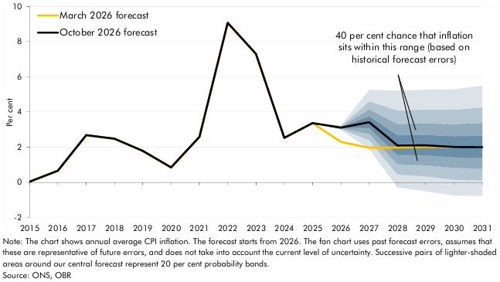

 |  | October 2026 forecast | March 2026 forecast | Percentile
 |  |  |  | 10 | 20 | 30 | 40 | 50 | 60 | 70 | 80 | 90
 | 2015 | 0.0 | 0.0
 | 2016 | 0.7 | 0.7
 | 2017 | 2.7 | 2.7
 | 2018 | 2.5 | 2.5
 | 2019 | 1.8 | 1.8
 | 2020 | 0.9 | 0.9
 | 2021 | 2.6 | 2.6
 | 2022 | 9.1 | 9.1
 | 2023 | 7.3 | 7.3
 | 2024 | 2.5 | 2.5
 | 2025 | 3.4 | 3.4
 | 2026 | 3.1 | 2.3 | 3.0 | 3.0 | 3.1 | 3.1 | 3.1 | 3.1 | 3.2 | 3.2 | 3.2
 | 2027 | 3.4 | 2.0 | 1.9 | 2.4 | 2.8 | 3.1 | 3.4 | 3.8 | 4.1 | 4.6 | 5.3
 | 2028 | 2.1 | 2.0 | -0.3 | 0.5 | 1.0 | 1.6 | 2.1 | 2.7 | 3.3 | 4.1 | 5.2
 | 2029 | 2.1 | 2.0 | -0.5 | 0.3 | 1.0 | 1.5 | 2.1 | 2.7 | 3.4 | 4.1 | 5.3
 | 2030 | 2.0 | 2.0 | -0.7 | 0.2 | 0.8 | 1.4 | 2.0 | 2.6 | 3.3 | 4.1 | 5.3
 | 2031 | 2.0 |  | -0.8 | 0.1 | 0.8 | 1.4 | 2.0 | 2.7 | 3.4 | 4.3 | 5.5

C2.5
Back to contents
 | Chart 2.5: Nominal and real earnings growth

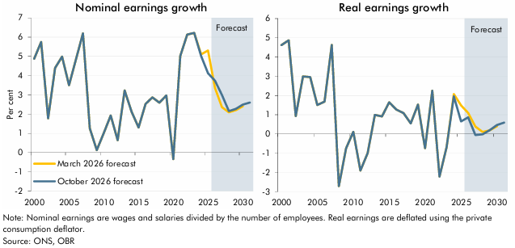

 | Nominal earnings | March 2026 forecast | October 2026 forecast | Real earnings | March 2026 forecast | October 2026 forecast
 | 2000 | 4.9 | 4.9 | 2000 | 4.6 | 4.6
 | 2001 | 5.7 | 5.7 | 2001 | 4.9 | 4.9
 | 2002 | 1.8 | 1.8 | 2002 | 0.9 | 0.9
 | 2003 | 4.4 | 4.4 | 2003 | 3.0 | 3.0
 | 2004 | 5.0 | 5.0 | 2004 | 3.0 | 3.0
 | 2005 | 3.5 | 3.5 | 2005 | 1.5 | 1.5
 | 2006 | 4.9 | 4.9 | 2006 | 1.7 | 1.7
 | 2007 | 6.2 | 6.2 | 2007 | 4.6 | 4.6
 | 2008 | 1.3 | 1.3 | 2008 | -2.7 | -2.7
 | 2009 | 0.1 | 0.1 | 2009 | -0.7 | -0.7
 | 2010 | 1.0 | 1.0 | 2010 | 0.1 | 0.1
 | 2011 | 1.9 | 1.9 | 2011 | -1.9 | -1.9
 | 2012 | 0.6 | 0.6 | 2012 | -1.0 | -1.0
 | 2013 | 3.2 | 3.2 | 2013 | 1.0 | 1.0
 | 2014 | 2.1 | 2.1 | 2014 | 0.9 | 0.9
 | 2015 | 1.3 | 1.3 | 2015 | 1.6 | 1.6
 | 2016 | 2.5 | 2.5 | 2016 | 1.3 | 1.3
 | 2017 | 2.9 | 2.9 | 2017 | 1.1 | 1.1
 | 2018 | 2.6 | 2.6 | 2018 | 0.6 | 0.6
 | 2019 | 3.0 | 3.0 | 2019 | 1.5 | 1.5
 | 2020 | -0.3 | -0.3 | 2020 | -0.7 | -0.7
 | 2021 | 5.0 | 5.0 | 2021 | 2.2 | 2.2
 | 2022 | 6.1 | 6.1 | 2022 | -2.2 | -2.2
 | 2023 | 6.2 | 6.2 | 2023 | -0.7 | -0.7
 | 2024 | 5.1 | 5.0 | 2024 | 2.1 | 2.0
 | 2025 | 5.3 | 4.1 | 2025 | 1.5 | 0.6
 | 2026 | 3.4 | 3.7 | 2026 | 1.1 | 0.9
 | 2027 | 2.4 | 3.0 | 2027 | 0.4 | -0.1
 | 2028 | 2.1 | 2.2 | 2028 | 0.1 | 0.0
 | 2029 | 2.2 | 2.3 | 2029 | 0.2 | 0.2
 | 2030 | 2.4 | 2.5 | 2030 | 0.4 | 0.5
 | 2031 |  | 2.6 | 2031 |  | 0.6

C2.6
Back to contents
 | Chart 2.6: Real household disposable income per person

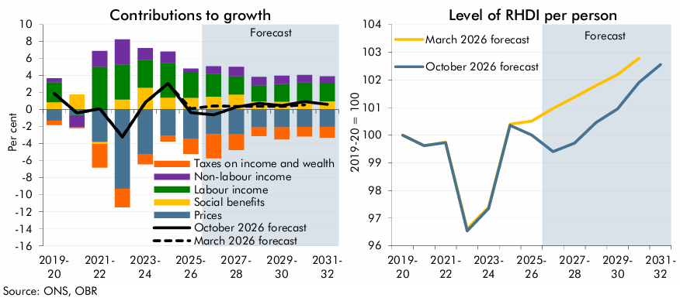

 | Contributions to growth | March 2026 forecast | October 2026 forecast | Labour income | Non-labour income | Social benefits | Taxes on income and wealth | Prices | Level | March 2026 forecast | October 2026 forecast
 | 2019-20 | 1.9 | 1.9 | 2.3 | 0.5 | 0.9 | -0.5 | -1.3 | 2019-20 | 100.0 | 100.0
 | 2020-21 | -0.4 | -0.4 | -0.1 | -1.4 | 1.8 | -0.1 | -0.6 | 2020-21 | 99.6 | 99.6
 | 2021-22 | 0.1 | 0.1 | 5.0 | 1.9 | -0.2 | -2.8 | -3.8 | 2021-22 | 99.8 | 99.7
 | 2022-23 | -3.2 | -3.2 | 4.1 | 2.9 | 1.2 | -2.2 | -9.3 | 2022-23 | 96.6 | 96.5
 | 2023-24 | 0.8 | 0.8 | 3.2 | 1.4 | 2.6 | -1.2 | -5.2 | 2023-24 | 97.4 | 97.3
 | 2024-25 | 3.1 | 3.1 | 4.1 | 1.3 | 1.4 | -0.6 | -3.1 | 2024-25 | 100.4 | 100.4
 | 2025-26 | 0.1 | -0.3 | 3.0 | 0.4 | 1.4 | -1.8 | -3.4 | 2025-26 | 100.5 | 100.0
 | 2026-27 | 0.5 | -0.6 | 2.7 | 0.9 | 1.5 | -2.8 | -2.9 | 2026-27 | 101.0 | 99.4
 | 2027-28 | 0.4 | 0.3 | 2.1 | 1.1 | 1.8 | -1.8 | -2.9 | 2027-28 | 101.4 | 99.7
 | 2028-29 | 0.4 | 0.8 | 1.9 | 1.0 | 1.0 | -1.0 | -2.1 | 2028-29 | 101.8 | 100.5
 | 2029-30 | 0.4 | 0.5 | 2.1 | 1.0 | 0.9 | -1.4 | -2.1 | 2029-30 | 102.2 | 101.0
 | 2030-31 | 0.6 | 0.9 | 2.2 | 0.9 | 1.0 | -1.1 | -2.0 | 2030-31 | 102.8 | 101.9
 | 2031-32 |  | 0.6 | 2.2 | 0.8 | 1.0 | -1.3 | -2.0 | 2031-32 |  | 102.6

C2.7
Back to contents
 | Chart 2.7: Rolling 10-year average growth in RHDI per person

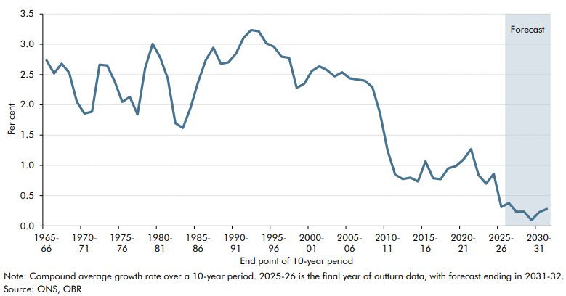

 |  | Rolling 10-year average growth in RHDI per person
 | 1965-66 | 2.7
 | 1966-67 | 2.5
 | 1967-68 | 2.7
 | 1968-69 | 2.5
 | 1969-70 | 2.0
 | 1970-71 | 1.9
 | 1971-72 | 1.9
 | 1972-73 | 2.7
 | 1973-74 | 2.7
 | 1974-75 | 2.4
 | 1975-76 | 2.0
 | 1976-77 | 2.1
 | 1977-78 | 1.8
 | 1978-79 | 2.6
 | 1979-80 | 3.0
 | 1980-81 | 2.8
 | 1981-82 | 2.4
 | 1982-83 | 1.7
 | 1983-84 | 1.6
 | 1984-85 | 1.9
 | 1985-86 | 2.4
 | 1986-87 | 2.7
 | 1987-88 | 2.9
 | 1988-89 | 2.7
 | 1989-90 | 2.7
 | 1990-91 | 2.8
 | 1991-92 | 3.1
 | 1992-93 | 3.2
 | 1993-94 | 3.2
 | 1994-95 | 3.0
 | 1995-96 | 3.0
 | 1996-97 | 2.8
 | 1997-98 | 2.8
 | 1998-99 | 2.3
 | 1999-00 | 2.3
 | 2000-01 | 2.6
 | 2001-02 | 2.6
 | 2002-03 | 2.6
 | 2003-04 | 2.5
 | 2004-05 | 2.5
 | 2005-06 | 2.4
 | 2006-07 | 2.4
 | 2007-08 | 2.4
 | 2008-09 | 2.3
 | 2009-10 | 1.9
 | 2010-11 | 1.2
 | 2011-12 | 0.8
 | 2012-13 | 0.8
 | 2013-14 | 0.8
 | 2014-15 | 0.7
 | 2015-16 | 1.1
 | 2016-17 | 0.8
 | 2017-18 | 0.8
 | 2018-19 | 1.0
 | 2019-20 | 1.0
 | 2020-21 | 1.1
 | 2021-22 | 1.3
 | 2022-23 | 0.8
 | 2023-24 | 0.7
 | 2024-25 | 0.9
 | 2025-26 | 0.3
 | 2026-27 | 0.4
 | 2027-28 | 0.2
 | 2028-29 | 0.2
 | 2029-30 | 0.1
 | 2030-31 | 0.2
 | 2031-32 | 0.3

C2.8
Back to contents
 | Chart 2.8: Potential output growth

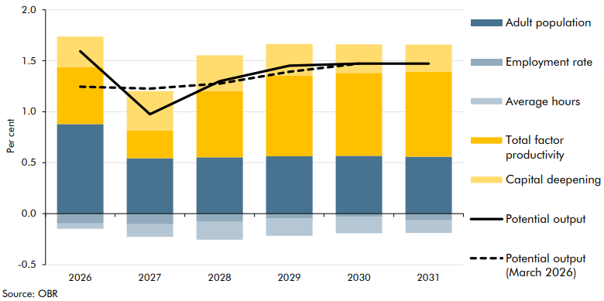

 |  | Adult population | Employment rate | Average hours | Capital deepening | Total factor productivity | Potential output | Potential output (March 2026)
 | 2026 | 0.9 | -0.1 | -0.1 | 0.3 | 0.6 | 1.6 | 1.2
 | 2027 | 0.5 | -0.1 | -0.1 | 0.4 | 0.3 | 1.0 | 1.2
 | 2028 | 0.6 | -0.1 | -0.2 | 0.3 | 0.7 | 1.3 | 1.3
 | 2029 | 0.6 | 0.0 | -0.2 | 0.3 | 0.8 | 1.5 | 1.4
 | 2030 | 0.6 | 0.0 | -0.2 | 0.3 | 0.8 | 1.5 | 1.5
 | 2031 | 0.6 | -0.1 | -0.1 | 0.3 | 0.8 | 1.5

C2.9
Back to contents
 | Chart 2.9: Adult population and net migration

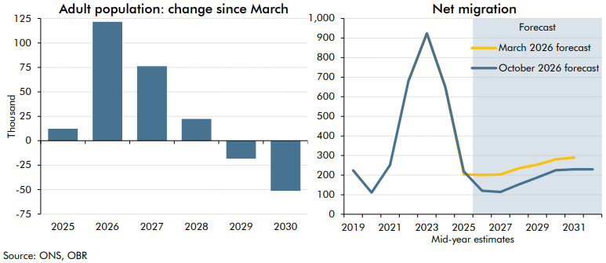

 | Adult population | Change since March | Net migration | March 2026 forecast | October 2026 forecast
 | 2025 | 12.2 | 2019 |  | 224.0
 | 2026 | 121.6 | 2020 |  | 111.0
 | 2027 | 76.1 | 2021 |  | 251.0
 | 2028 | 22.2 | 2022 | 681.0 | 681.0
 | 2029 | -18.3 | 2023 | 924.0 | 924.0
 | 2030 | -51.3 | 2024 | 649.0 | 649.0
 |  |  | 2025 | 204.0 | 219.0
 |  |  | 2026 | 200.0 | 120.3
 |  |  | 2027 | 203.4 | 114.3
 |  |  | 2028 | 234.8 | 152.3
 |  |  | 2029 | 253.9 | 188.0
 |  |  | 2030 | 280.7 | 225.4
 |  |  | 2031 | 290.0 | 230.0
 |  |  | 2032 |  | 230.0

C2.10
Back to contents
 | Chart 2.10: Productivity (output per hour)

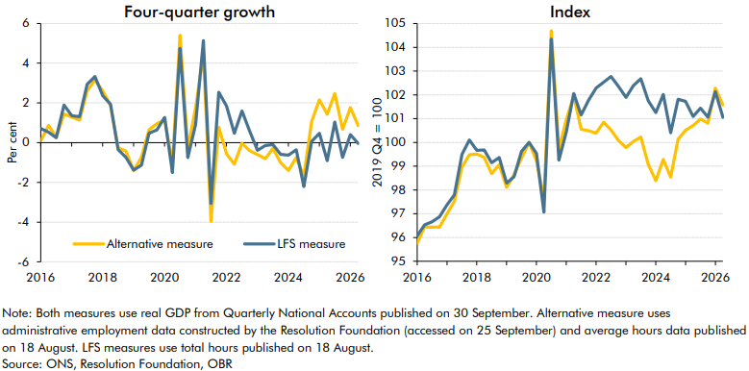

 | Four-quarter growth | Alternative measure | LFS measure | Index | Alternative measure | LFS measure
 | 2016 Q1 | 0.1 | 0.7 | 2016 Q1 | 95.8 | 96.1
 | 2016 Q2 | 0.9 | 0.5 | 2016 Q2 | 96.4 | 96.5
 | 2016 Q3 | 0.3 | 0.2 | 2016 Q3 | 96.4 | 96.7
 | 2016 Q4 | 1.4 | 1.9 | 2016 Q4 | 96.4 | 96.9
 | 2017 Q1 | 1.3 | 1.4 | 2017 Q1 | 97.0 | 97.4
 | 2017 Q2 | 1.1 | 1.3 | 2017 Q2 | 97.5 | 97.8
 | 2017 Q3 | 2.6 | 2.9 | 2017 Q3 | 99.0 | 99.5
 | 2017 Q4 | 3.2 | 3.3 | 2017 Q4 | 99.5 | 100.1
 | 2018 Q1 | 2.6 | 2.4 | 2018 Q1 | 99.5 | 99.7
 | 2018 Q2 | 1.9 | 1.9 | 2018 Q2 | 99.4 | 99.7
 | 2018 Q3 | -0.3 | -0.4 | 2018 Q3 | 98.7 | 99.1
 | 2018 Q4 | -0.4 | -0.7 | 2018 Q4 | 99.1 | 99.4
 | 2019 Q1 | -1.4 | -1.4 | 2019 Q1 | 98.1 | 98.3
 | 2019 Q2 | -0.7 | -1.1 | 2019 Q2 | 98.6 | 98.6
 | 2019 Q3 | 0.7 | 0.5 | 2019 Q3 | 99.3 | 99.6
 | 2019 Q4 | 1.0 | 0.6 | 2019 Q4 | 100.0 | 100.0
 | 2020 Q1 | 1.1 | 1.3 | 2020 Q1 | 99.2 | 99.5
 | 2020 Q2 | -1.0 | -1.5 | 2020 Q2 | 97.6 | 97.1
 | 2020 Q3 | 5.4 | 4.7 | 2020 Q3 | 104.7 | 104.3
 | 2020 Q4 | -0.3 | -0.7 | 2020 Q4 | 99.7 | 99.3
 | 2021 Q1 | 1.7 | 0.9 | 2021 Q1 | 101.0 | 100.4
 | 2021 Q2 | 4.5 | 5.1 | 2021 Q2 | 102.0 | 102.1
 | 2021 Q3 | -4.0 | -3.1 | 2021 Q3 | 100.6 | 101.2
 | 2021 Q4 | 0.8 | 2.5 | 2021 Q4 | 100.5 | 101.8
 | 2022 Q1 | -0.6 | 1.8 | 2022 Q1 | 100.4 | 102.3
 | 2022 Q2 | -1.1 | 0.5 | 2022 Q2 | 100.9 | 102.5
 | 2022 Q3 | 0.0 | 1.6 | 2022 Q3 | 100.5 | 102.8
 | 2022 Q4 | -0.4 | 0.6 | 2022 Q4 | 100.1 | 102.4
 | 2023 Q1 | -0.6 | -0.4 | 2023 Q1 | 99.8 | 101.9
 | 2023 Q2 | -0.8 | -0.1 | 2023 Q2 | 100.0 | 102.4
 | 2023 Q3 | -0.3 | -0.1 | 2023 Q3 | 100.2 | 102.7
 | 2023 Q4 | -1.0 | -0.6 | 2023 Q4 | 99.1 | 101.8
 | 2024 Q1 | -1.4 | -0.6 | 2024 Q1 | 98.4 | 101.3
 | 2024 Q2 | -0.8 | -0.4 | 2024 Q2 | 99.3 | 102.0
 | 2024 Q3 | -1.7 | -2.2 | 2024 Q3 | 98.5 | 100.4
 | 2024 Q4 | 1.1 | 0.1 | 2024 Q4 | 100.1 | 101.8
 | 2025 Q1 | 2.2 | 0.5 | 2025 Q1 | 100.5 | 101.7
 | 2025 Q2 | 1.4 | -0.9 | 2025 Q2 | 100.7 | 101.1
 | 2025 Q3 | 2.5 | 1.0 | 2025 Q3 | 101.0 | 101.4
 | 2025 Q4 | 0.7 | -0.7 | 2025 Q4 | 100.8 | 101.1
 | 2026 Q1 | 1.8 | 0.4 | 2026 Q1 | 102.3 | 102.1
 | 2026 Q2 | 0.9 | 0.0 | 2026 Q2 | 101.6 | 101.0

C2.D
Back to contents
 | Chart D: Average hours worked

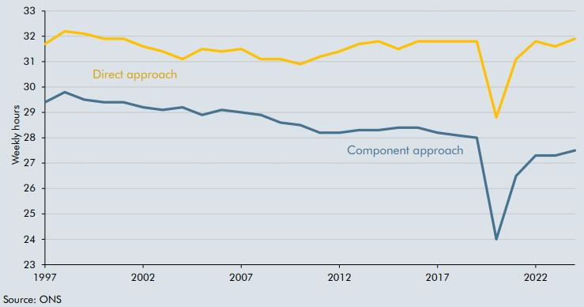

 | Period | Direct approach | Component approach
 | 1997 | 31.7 | 29.4
 | 1998 | 32.2 | 29.8
 | 1999 | 32.1 | 29.5
 | 2000 | 31.9 | 29.4
 | 2001 | 31.9 | 29.4
 | 2002 | 31.6 | 29.2
 | 2003 | 31.4 | 29.1
 | 2004 | 31.1 | 29.2
 | 2005 | 31.5 | 28.9
 | 2006 | 31.4 | 29.1
 | 2007 | 31.5 | 29.0
 | 2008 | 31.1 | 28.9
 | 2009 | 31.1 | 28.6
 | 2010 | 30.9 | 28.5
 | 2011 | 31.2 | 28.2
 | 2012 | 31.4 | 28.2
 | 2013 | 31.7 | 28.3
 | 2014 | 31.8 | 28.3
 | 2015 | 31.5 | 28.4
 | 2016 | 31.8 | 28.4
 | 2017 | 31.8 | 28.2
 | 2018 | 31.8 | 28.1
 | 2019 | 31.8 | 28.0
 | 2020 | 28.8 | 24.0
 | 2021 | 31.1 | 26.5
 | 2022 | 31.8 | 27.3
 | 2023 | 31.6 | 27.3
 | 2024 | 31.9 | 27.5

C2.E
Back to contents
 | Chart E: Output per hour, UK and the G7

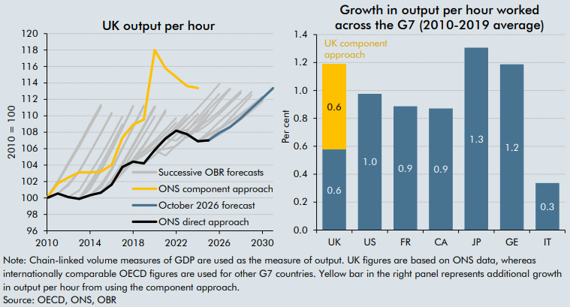

 | UK output per hour | 2010 | 2011 | 2012 | 2013 | 2014 | 2015 | 2016 | 2017 | 2018 | 2019 | 2020 | 2021 | 2022 | 2023 | 2024 | 2025 | 2026 | 2027 | 2028 | 2029 | 2030 | 2031 | Growth in output per hour worked across the G7 (2010-2019 average) | 2010-2019 (UK direct approach) | 2010-2019 (UK component approach)
 | November 2010 | 100.0 | 102.0 | 104.3 | 106.5 | 108.9 | 111.3 |  |  |  |  |  |  |  |  |  |  |  |  |  |  |  |  | UK | 0.6 | 0.6
 | March 2011 | 100.0 | 101.9 | 104.1 | 106.3 | 108.7 | 111.0 |  |  |  |  |  |  |  |  |  |  |  |  |  |  |  |  | US | 1.0
 | November 2011 |  | 100.5 | 101.5 | 103.2 | 105.5 | 107.9 | 110.2 |  |  |  |  |  |  |  |  |  |  |  |  |  |  |  | FR | 0.9
 | March 2012 |  | 100.5 | 101.7 | 103.3 | 105.5 | 107.9 | 110.4 |  |  |  |  |  |  |  |  |  |  |  |  |  |  |  | CA | 0.9
 | December 2012 |  |  | 100.1 | 100.9 | 103.0 | 105.1 | 107.5 | 109.9 |  |  |  |  |  |  |  |  |  |  |  |  |  |  | JP | 1.3
 | March 2013 |  |  | 100.1 | 100.0 | 101.8 | 104.0 | 106.4 | 108.9 |  |  |  |  |  |  |  |  |  |  |  |  |  |  | GE | 1.2
 | December 2013 |  |  |  | 99.9 | 101.5 | 103.5 | 105.9 | 108.5 | 111.2 |  |  |  |  |  |  |  |  |  |  |  |  |  | IT | 0.3
 | March 2014 |  |  |  | 99.9 | 101.1 | 103.3 | 105.8 | 108.5 | 111.1
 | December 2014 |  |  |  |  | 100.3 | 101.6 | 103.6 | 106.1 | 108.6 | 111.1
 | March 2015 |  |  |  |  | 100.3 | 101.3 | 103.4 | 106.0 | 108.7 | 111.3
 | November 2015 |  |  |  |  |  | 100.6 | 102.1 | 104.1 | 106.4 | 108.7 | 111.1
 | March 2016 |  |  |  |  |  | 100.6 | 101.7 | 103.5 | 105.6 | 107.7 | 109.9
 | November 2016 |  |  |  |  |  |  | 101.6 | 103.0 | 104.5 | 106.3 | 108.5 | 110.7
 | March 2017 |  |  |  |  |  |  | 101.6 | 103.2 | 104.7 | 106.5 | 108.4 | 110.5
 | November 2017 |  |  |  |  |  |  |  | 103.8 | 104.7 | 105.8 | 107.0 | 108.3 | 109.7
 | March 2018 |  |  |  |  |  |  |  | 103.8 | 104.6 | 105.5 | 106.6 | 107.9 | 109.2
 | October 2018 |  |  |  |  |  |  |  |  | 104.4 | 105.3 | 106.2 | 107.2 | 108.4 | 109.7
 | March 2019 |  |  |  |  |  |  |  |  | 104.4 | 105.2 | 106.2 | 107.4 | 108.7 | 110.1
 | March 2020 |  |  |  |  |  |  |  |  |  | 104.2 | 105.2 | 106.4 | 107.7 | 108.9 | 110.2
 | November 2020 |  |  |  |  |  |  |  |  |  |  | 105.8 | 106.0 | 106.3 | 107.5 | 108.6 | 110.1
 | March 2021 |  |  |  |  |  |  |  |  |  |  | 105.8 | 105.2 | 106.4 | 107.6 | 108.9 | 110.6
 | October 2021 |  |  |  |  |  |  |  |  |  |  |  | 107.2 | 108.2 | 109.5 | 110.9 | 112.3 | 113.9
 | March 2022 |  |  |  |  |  |  |  |  |  |  |  | 107.2 | 107.0 | 108.1 | 109.7 | 111.2 | 112.7
 | November 2022 |  |  |  |  |  |  |  |  |  |  |  |  | 108.2 | 107.3 | 108.3 | 110.0 | 111.7 | 113.3
 | March 2023 |  |  |  |  |  |  |  |  |  |  |  |  | 108.2 | 108.3 | 109.3 | 110.7 | 112.1 | 113.3
 | November 2023 |  |  |  |  |  |  |  |  |  |  |  |  |  | 107.8 | 108.6 | 109.5 | 110.5 | 111.8 | 113.0
 | March 2024 |  |  |  |  |  |  |  |  |  |  |  |  |  | 107.8 | 108.1 | 109.0 | 110.2 | 111.5 | 112.8
 | October 2024 |  |  |  |  |  |  |  |  |  |  |  |  |  |  | 106.9 | 108.0 | 109.3 | 110.4 | 111.6 | 112.9
 | March 2025 |  |  |  |  |  |  |  |  |  |  |  |  |  |  | 106.9 | 107.1 | 108.4 | 109.7 | 111.1 | 112.5
 | November 2025 |  |  |  |  |  |  |  |  |  |  |  |  |  |  | 106.9 | 107.7 | 108.4 | 109.2 | 110.2 | 111.2 | 112.3
 | March 2026 |  |  |  |  |  |  |  |  |  |  |  |  |  |  |  | 107.0 | 107.8 | 108.7 | 109.6 | 110.7 | 111.8
 | October 2026 forecast |  |  |  |  |  |  |  |  |  |  |  |  |  |  |  | 107.0 | 107.9 | 108.6 | 109.7 | 110.9 | 112.1 | 113.4
 | ONS direct approach | 100.0 | 100.5 | 100.1 | 99.9 | 100.3 | 100.6 | 101.6 | 103.8 | 104.4 | 104.2 | 105.8 | 107.2 | 108.2 | 107.8 | 106.9
 | ONS component approach | 100.0 | 101.8 | 102.5 | 103.1 | 103.1 | 103.2 | 104.0 | 107.3 | 108.9 | 109.5 | 118.0 | 115.8 | 114.7 | 113.6 | 113.4

C2.11
Back to contents
 | Chart 2.11: Output gap

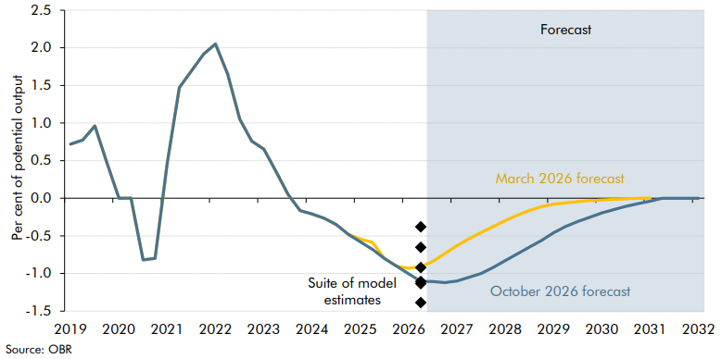

 |  | October 2026 forecast | March 2026 forecast | Starting output gap estimates from different models
 |  |  |  | Prior Constrained | Inflation | Unemployment | Capacity utilisation | Aggregate composite | Production function
 | 2019Q1 | 0.7 | 0.7
 | 2019Q2 | 0.8 | 0.8
 | 2019Q3 | 1.0 | 1.0
 | 2019Q4 | 0.5 | 0.5
 | 2020Q1 | 0.0 | 0.0
 | 2020Q2 | 0.0 | 0.0
 | 2020Q3 | -0.8 | -0.8
 | 2020Q4 | -0.8 | -0.8
 | 2021Q1 | 0.5 | 0.5
 | 2021Q2 | 1.5 | 1.5
 | 2021Q3 | 1.7 | 1.7
 | 2021Q4 | 1.9 | 1.9
 | 2022Q1 | 2.1 | 2.1
 | 2022Q2 | 1.7 | 1.7
 | 2022Q3 | 1.1 | 1.1
 | 2022Q4 | 0.8 | 0.8
 | 2023Q1 | 0.7 | 0.7
 | 2023Q2 | 0.4 | 0.4
 | 2023Q3 | 0.1 | 0.1
 | 2023Q4 | -0.2 | -0.2
 | 2024Q1 | -0.2 | -0.2
 | 2024Q2 | -0.3 | -0.3
 | 2024Q3 | -0.3 | -0.3
 | 2024Q4 | -0.5 | -0.5
 | 2025Q1 | -0.6 | -0.5
 | 2025Q2 | -0.7 | -0.6
 | 2025Q3 | -0.8 | -0.8
 | 2025Q4 | -0.9 | -0.9
 | 2026Q1 | -1.0 | -0.9
 | 2026Q2 | -1.1 | -0.9 | -1.1 | -1.1 | -0.9 | -1.4 | -0.4 | -0.7
 | 2026Q3 | -1.1 | -0.8
 | 2026Q4 | -1.1 | -0.7
 | 2027Q1 | -1.1 | -0.6
 | 2027Q2 | -1.1 | -0.5
 | 2027Q3 | -1.0 | -0.5
 | 2027Q4 | -0.9 | -0.4
 | 2028Q1 | -0.8 | -0.3
 | 2028Q2 | -0.7 | -0.2
 | 2028Q3 | -0.7 | -0.2
 | 2028Q4 | -0.6 | -0.1
 | 2029Q1 | -0.5 | -0.1
 | 2029Q2 | -0.4 | -0.1
 | 2029Q3 | -0.3 | 0.0
 | 2029Q4 | -0.3 | 0.0
 | 2030Q1 | -0.2 | 0.0
 | 2030Q2 | -0.2 | 0.0
 | 2030Q3 | -0.1 | 0.0
 | 2030Q4 | -0.1 | 0.0
 | 2031Q1 | 0.0 | 0.0
 | 2031Q2 | 0.0
 | 2031Q3 | 0.0
 | 2031Q4 | 0.0
 | 2032Q1 | 0.0

C2.12
Back to contents
 | Chart 2.12: Real GDP

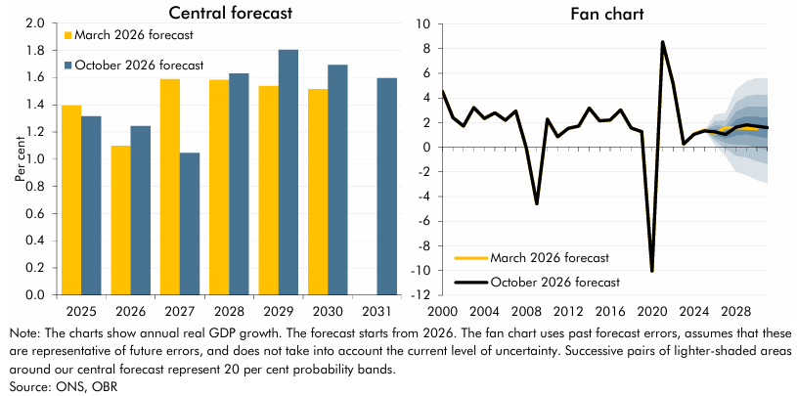

 | Growth | October 2026 forecast | March 2026 forecast | Fan chart | October 2026 forecast | March 2026 forecast | Percentile
 |  |  |  |  |  |  | 10 | 20 | 30 | 40 | 50 | 60 | 70 | 80 | 90
 | 2025 | 1.3 | 1.4 | 2000 | 4.5 | 4.5
 | 2026 | 1.2 | 1.1 | 2001 | 2.4 | 2.4
 | 2027 | 1.0 | 1.6 | 2002 | 1.7 | 1.7
 | 2028 | 1.6 | 1.6 | 2003 | 3.2 | 3.2
 | 2029 | 1.8 | 1.5 | 2004 | 2.3 | 2.3
 | 2030 | 1.7 | 1.5 | 2005 | 2.8 | 2.8
 | 2031 | 1.6 |  | 2006 | 2.2 | 2.2
 |  |  |  | 2007 | 2.9 | 2.9
 |  |  |  | 2008 | 0.0 | 0.0
 |  |  |  | 2009 | -4.6 | -4.6
 |  |  |  | 2010 | 2.3 | 2.3
 |  |  |  | 2011 | 0.9 | 0.9
 |  |  |  | 2012 | 1.5 | 1.5
 |  |  |  | 2013 | 1.7 | 1.7
 |  |  |  | 2014 | 3.2 | 3.2
 |  |  |  | 2015 | 2.1 | 2.1
 |  |  |  | 2016 | 2.2 | 2.2
 |  |  |  | 2017 | 3.0 | 3.0
 |  |  |  | 2018 | 1.6 | 1.6
 |  |  |  | 2019 | 1.3 | 1.3
 |  |  |  | 2020 | -10.0 | -10.0
 |  |  |  | 2021 | 8.5 | 8.5
 |  |  |  | 2022 | 5.1 | 5.1
 |  |  |  | 2023 | 0.3 | 0.3
 |  |  |  | 2024 | 1.0 | 1.1
 |  |  |  | 2025 | 1.3 | 1.4
 |  |  |  | 2026 | 1.2 | 1.1 | 0.2 | 0.5 | 0.8 | 1.0 | 1.2 | 1.5 | 1.8 | 2.1 | 2.7
 |  |  |  | 2027 | 1.0 | 1.6 | -0.7 | -0.1 | 0.3 | 0.7 | 1.0 | 1.4 | 1.8 | 2.2 | 2.8
 |  |  |  | 2028 | 1.6 | 1.6 | -2.0 | -0.7 | 0.2 | 0.9 | 1.6 | 2.3 | 2.9 | 3.7 | 4.7
 |  |  |  | 2029 | 1.8 | 1.5 | -2.3 | -0.8 | 0.2 | 1.0 | 1.8 | 2.5 | 3.3 | 4.2 | 5.3
 |  |  |  | 2030 | 1.7 | 1.5 | -2.7 | -1.1 | -0.1 | 0.9 | 1.7 | 2.5 | 3.3 | 4.3 | 5.6
 |  |  |  | 2031 | 1.6 |  | -2.9 | -1.3 | -0.2 | 0.7 | 1.6 | 2.4 | 3.3 | 4.3 | 5.6

C2.13
Back to contents
 | Chart 2.13: Unemployment rate and employment

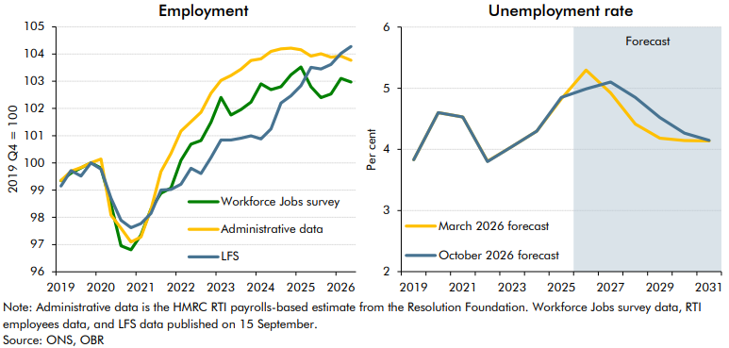

 | Employment | LFS | Administrative data | Workforce Jobs survey | Unemployment rate | March 2026 forecast | October 2026 forecast
 | 2019 Q1 | 99.2 | 99.3 | 99.3 | 2019 | 3.8 | 3.8
 | 2019 Q2 | 99.7 | 99.7 | 99.6 | 2020 | 4.6 | 4.6
 | 2019 Q3 | 99.5 | 99.8 | 99.8 | 2021 | 4.5 | 4.5
 | 2019 Q4 | 100.0 | 100.0 | 100.0 | 2022 | 3.8 | 3.8
 | 2020 Q1 | 99.8 | 100.1 | 99.8 | 2023 | 4.0 | 4.0
 | 2020 Q2 | 98.7 | 98.1 | 98.5 | 2024 | 4.3 | 4.3
 | 2020 Q3 | 97.9 | 97.6 | 97.0 | 2025 | 4.8 | 4.8
 | 2020 Q4 | 97.6 | 97.1 | 96.8 | 2026 | 5.3 | 5.0
 | 2021 Q1 | 97.8 | 97.3 | 97.4 | 2027 | 4.9 | 5.1
 | 2021 Q2 | 98.1 | 98.3 | 98.3 | 2028 | 4.4 | 4.9
 | 2021 Q3 | 99.0 | 99.7 | 98.9 | 2029 | 4.2 | 4.5
 | 2021 Q4 | 99.0 | 100.3 | 99.1 | 2030 | 4.1 | 4.3
 | 2022 Q1 | 99.2 | 101.2 | 100.1 | 2031 | 4.1 | 4.1
 | 2022 Q2 | 99.8 | 101.5 | 100.7
 | 2022 Q3 | 99.6 | 101.9 | 100.8
 | 2022 Q4 | 100.2 | 102.6 | 101.5
 | 2023 Q1 | 100.8 | 103.0 | 102.4
 | 2023 Q2 | 100.8 | 103.2 | 101.8
 | 2023 Q3 | 100.9 | 103.4 | 102.0
 | 2023 Q4 | 101.0 | 103.8 | 102.2
 | 2024 Q1 | 100.9 | 103.8 | 102.9
 | 2024 Q2 | 101.2 | 104.1 | 102.7
 | 2024 Q3 | 102.2 | 104.2 | 102.8
 | 2024 Q4 | 102.5 | 104.2 | 103.2
 | 2025 Q1 | 102.8 | 104.2 | 103.5
 | 2025 Q2 | 103.5 | 103.9 | 102.8
 | 2025 Q3 | 103.5 | 104.0 | 102.4
 | 2025 Q4 | 103.6 | 103.9 | 102.5
 | 2026 Q1 | 104.0 | 103.9 | 103.1
 | 2026 Q2 | 104.3 | 103.8 | 103.0

C2.14
Back to contents
 | Chart 2.14: Household saving rate

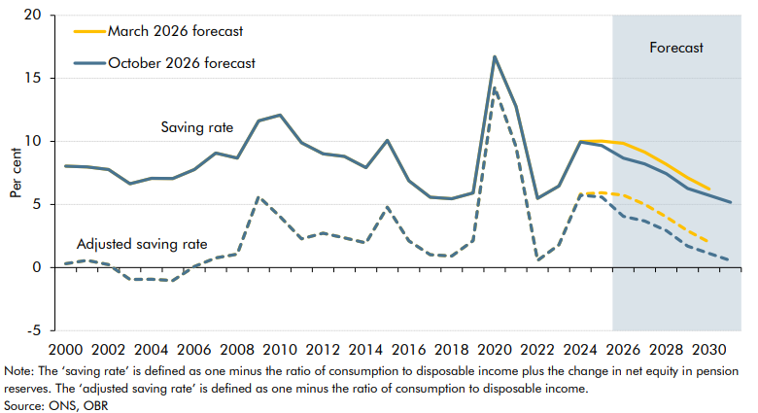

 | Saving rate | October 2026 forecast | March 2026 forecast | Adjusted saving rate | October 2026 forecast | March 2026 forecast
 | 2000 | 8.0 | 8.0 | 2000 | 0.3 | 0.3
 | 2001 | 8.0 | 8.0 | 2001 | 0.6 | 0.6
 | 2002 | 7.8 | 7.8 | 2002 | 0.2 | 0.2
 | 2003 | 6.6 | 6.6 | 2003 | -0.9 | -0.9
 | 2004 | 7.1 | 7.1 | 2004 | -0.9 | -0.9
 | 2005 | 7.1 | 7.1 | 2005 | -1.0 | -1.0
 | 2006 | 7.8 | 7.8 | 2006 | 0.1 | 0.1
 | 2007 | 9.1 | 9.1 | 2007 | 0.8 | 0.8
 | 2008 | 8.7 | 8.7 | 2008 | 1.1 | 1.1
 | 2009 | 11.6 | 11.6 | 2009 | 5.6 | 5.6
 | 2010 | 12.1 | 12.1 | 2010 | 4.0 | 4.0
 | 2011 | 9.9 | 9.9 | 2011 | 2.3 | 2.3
 | 2012 | 9.0 | 9.0 | 2012 | 2.7 | 2.7
 | 2013 | 8.8 | 8.8 | 2013 | 2.4 | 2.4
 | 2014 | 7.9 | 7.9 | 2014 | 1.9 | 1.9
 | 2015 | 10.1 | 10.1 | 2015 | 4.8 | 4.8
 | 2016 | 6.9 | 6.9 | 2016 | 2.1 | 2.1
 | 2017 | 5.6 | 5.6 | 2017 | 1.0 | 1.0
 | 2018 | 5.5 | 5.5 | 2018 | 0.9 | 0.9
 | 2019 | 5.9 | 5.9 | 2019 | 2.1 | 2.1
 | 2020 | 16.7 | 16.7 | 2020 | 14.3 | 14.3
 | 2021 | 12.8 | 12.8 | 2021 | 9.6 | 9.6
 | 2022 | 5.5 | 5.5 | 2022 | 0.6 | 0.6
 | 2023 | 6.5 | 6.5 | 2023 | 1.8 | 1.8
 | 2024 | 9.9 | 10.0 | 2024 | 5.7 | 5.8
 | 2025 | 9.7 | 10.0 | 2025 | 5.6 | 5.9
 | 2026 | 8.7 | 9.9 | 2026 | 4.1 | 5.7
 | 2027 | 8.2 | 9.1 | 2027 | 3.7 | 5.0
 | 2028 | 7.4 | 8.2 | 2028 | 2.9 | 4.0
 | 2029 | 6.3 | 7.1 | 2029 | 1.7 | 2.9
 | 2030 | 5.7 | 6.2 | 2030 | 1.1 | 2.0
 | 2031 | 5.2 |  | 2031 | 0.6

C2.15
Back to contents
 | Chart 2.15: Rate of return and profit share of income

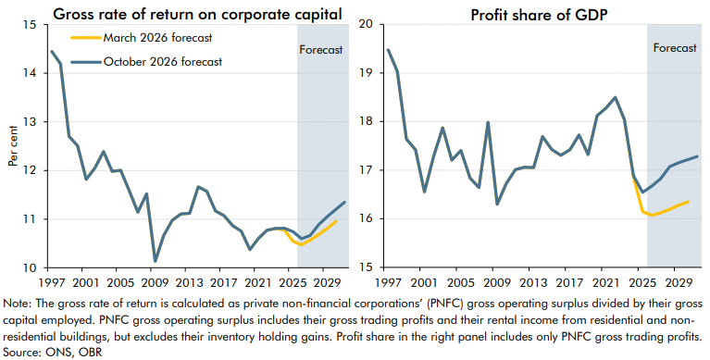

 | Rate of return on corporate capital | March 2026 forecast | October 2026 forecast | Profits share of GDP | March 2026 forecast | October 2026 forecast
 | 1997 | 14.4 | 14.4 | 1997 | 19.5 | 19.5
 | 1998 | 14.2 | 14.2 | 1998 | 19.0 | 19.0
 | 1999 | 12.7 | 12.7 | 1999 | 17.6 | 17.6
 | 2000 | 12.5 | 12.5 | 2000 | 17.4 | 17.4
 | 2001 | 11.8 | 11.8 | 2001 | 16.6 | 16.6
 | 2002 | 12.0 | 12.0 | 2002 | 17.3 | 17.3
 | 2003 | 12.4 | 12.4 | 2003 | 17.9 | 17.9
 | 2004 | 12.0 | 12.0 | 2004 | 17.2 | 17.2
 | 2005 | 12.0 | 12.0 | 2005 | 17.4 | 17.4
 | 2006 | 11.6 | 11.6 | 2006 | 16.8 | 16.8
 | 2007 | 11.1 | 11.1 | 2007 | 16.6 | 16.6
 | 2008 | 11.5 | 11.5 | 2008 | 18.0 | 18.0
 | 2009 | 10.1 | 10.1 | 2009 | 16.3 | 16.3
 | 2010 | 10.7 | 10.7 | 2010 | 16.7 | 16.7
 | 2011 | 11.0 | 11.0 | 2011 | 17.0 | 17.0
 | 2012 | 11.1 | 11.1 | 2012 | 17.1 | 17.1
 | 2013 | 11.1 | 11.1 | 2013 | 17.1 | 17.1
 | 2014 | 11.7 | 11.7 | 2014 | 17.7 | 17.7
 | 2015 | 11.6 | 11.6 | 2015 | 17.4 | 17.4
 | 2016 | 11.2 | 11.2 | 2016 | 17.3 | 17.3
 | 2017 | 11.1 | 11.1 | 2017 | 17.4 | 17.4
 | 2018 | 10.9 | 10.9 | 2018 | 17.7 | 17.7
 | 2019 | 10.8 | 10.8 | 2019 | 17.3 | 17.3
 | 2020 | 10.4 | 10.4 | 2020 | 18.1 | 18.1
 | 2021 | 10.6 | 10.6 | 2021 | 18.3 | 18.3
 | 2022 | 10.8 | 10.8 | 2022 | 18.5 | 18.5
 | 2023 | 10.8 | 10.8 | 2023 | 18.0 | 18.0
 | 2024 | 10.8 | 10.8 | 2024 | 16.9 | 16.9
 | 2025 | 10.5 | 10.7 | 2025 | 16.1 | 16.5
 | 2026 | 10.5 | 10.6 | 2026 | 16.1 | 16.7
 | 2027 | 10.6 | 10.7 | 2027 | 16.1 | 16.8
 | 2028 | 10.7 | 10.9 | 2028 | 16.2 | 17.1
 | 2029 | 10.8 | 11.1 | 2029 | 16.3 | 17.2
 | 2030 | 11.0 | 11.2 | 2030 | 16.3 | 17.2
 | 2031 |  | 11.3 | 2031 |  | 17.3

C2.16
Back to contents
 | Chart 2.16: Sectoral net lending

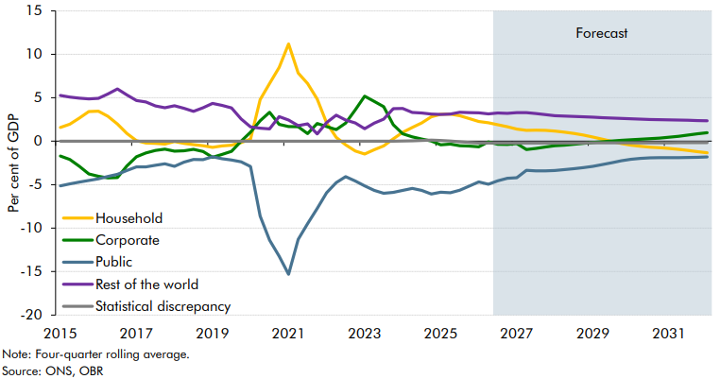

 |  | Household | Corporate | Public | Rest of the world | Statistical discrepancy
 | 2015Q1 | 1.6 | -1.7 | -5.1 | 5.3 | 0.0
 | 2015Q2 | 1.9 | -2.1 | -4.9 | 5.1 | 0.0
 | 2015Q3 | 2.7 | -2.9 | -4.7 | 5.0 | 0.0
 | 2015Q4 | 3.4 | -3.8 | -4.5 | 4.9 | 0.0
 | 2016Q1 | 3.5 | -4.0 | -4.3 | 4.9 | 0.0
 | 2016Q2 | 2.9 | -4.2 | -4.1 | 5.4 | 0.0
 | 2016Q3 | 2.0 | -4.2 | -3.8 | 6.0 | 0.0
 | 2016Q4 | 0.9 | -2.8 | -3.4 | 5.3 | 0.0
 | 2017Q1 | 0.1 | -1.8 | -2.9 | 4.7 | 0.0
 | 2017Q2 | -0.2 | -1.3 | -3.0 | 4.5 | 0.0
 | 2017Q3 | -0.2 | -1.1 | -2.8 | 4.1 | 0.0
 | 2017Q4 | -0.3 | -0.9 | -2.6 | 3.8 | 0.0
 | 2018Q1 | 0.0 | -1.1 | -2.9 | 4.1 | 0.0
 | 2018Q2 | -0.3 | -1.1 | -2.4 | 3.8 | 0.0
 | 2018Q3 | -0.4 | -0.9 | -2.1 | 3.4 | 0.0
 | 2018Q4 | -0.5 | -1.2 | -2.1 | 3.8 | 0.0
 | 2019Q1 | -0.7 | -1.9 | -1.8 | 4.3 | 0.0
 | 2019Q2 | -0.6 | -1.5 | -2.0 | 4.1 | 0.0
 | 2019Q3 | -0.5 | -1.2 | -2.2 | 3.8 | 0.0
 | 2019Q4 | -0.2 | 0.0 | -2.4 | 2.6 | 0.0
 | 2020Q1 | 0.2 | 1.0 | -2.9 | 1.6 | 0.0
 | 2020Q2 | 4.8 | 2.3 | -8.6 | 1.5 | 0.0
 | 2020Q3 | 6.6 | 3.3 | -11.4 | 1.4 | 0.0
 | 2020Q4 | 8.5 | 1.9 | -13.2 | 2.8 | 0.0
 | 2021Q1 | 11.2 | 1.7 | -15.3 | 2.4 | 0.0
 | 2021Q2 | 7.8 | 1.7 | -11.3 | 1.8 | 0.0
 | 2021Q3 | 6.6 | 0.9 | -9.5 | 2.0 | 0.0
 | 2021Q4 | 4.9 | 2.0 | -7.7 | 0.8 | 0.0
 | 2022Q1 | 2.1 | 1.7 | -5.9 | 2.1 | 0.0
 | 2022Q2 | 0.4 | 1.3 | -4.8 | 3.0 | 0.0
 | 2022Q3 | -0.4 | 2.1 | -4.1 | 2.4 | 0.0
 | 2022Q4 | -1.1 | 3.6 | -4.6 | 2.1 | 0.0
 | 2023Q1 | -1.5 | 5.2 | -5.1 | 1.4 | 0.0
 | 2023Q2 | -1.0 | 4.6 | -5.7 | 2.1 | 0.0
 | 2023Q3 | -0.5 | 4.0 | -6.0 | 2.5 | 0.0
 | 2023Q4 | 0.3 | 1.9 | -5.9 | 3.8 | 0.0
 | 2024Q1 | 1.0 | 0.9 | -5.7 | 3.8 | 0.0
 | 2024Q2 | 1.6 | 0.5 | -5.4 | 3.3 | 0.0
 | 2024Q3 | 2.1 | 0.3 | -5.7 | 3.2 | 0.1
 | 2024Q4 | 2.8 | 0.0 | -6.1 | 3.1 | 0.1
 | 2025Q1 | 3.1 | -0.4 | -5.9 | 3.1 | 0.1
 | 2025Q2 | 3.1 | -0.3 | -5.9 | 3.1 | 0.0
 | 2025Q3 | 2.9 | -0.5 | -5.6 | 3.3 | -0.1
 | 2025Q4 | 2.6 | -0.6 | -5.2 | 3.3 | -0.2
 | 2026Q1 | 2.3 | -0.6 | -4.7 | 3.3 | -0.2
 | 2026Q2 | 2.1 | -0.1 | -5.0 | 3.1 | -0.2
 | 2026Q3 | 1.9 | -0.4 | -4.6 | 3.2 | -0.2
 | 2026Q4 | 1.7 | -0.4 | -4.3 | 3.2 | -0.2
 | 2027Q1 | 1.4 | -0.3 | -4.2 | 3.3 | -0.2
 | 2027Q2 | 1.2 | -1.0 | -3.4 | 3.3 | -0.2
 | 2027Q3 | 1.3 | -0.8 | -3.4 | 3.2 | -0.2
 | 2027Q4 | 1.3 | -0.7 | -3.4 | 3.0 | -0.2
 | 2028Q1 | 1.2 | -0.5 | -3.4 | 2.9 | -0.2
 | 2028Q2 | 1.0 | -0.5 | -3.3 | 2.9 | -0.2
 | 2028Q3 | 0.9 | -0.4 | -3.2 | 2.9 | -0.2
 | 2028Q4 | 0.7 | -0.3 | -3.0 | 2.8 | -0.2
 | 2029Q1 | 0.5 | -0.1 | -2.9 | 2.8 | -0.2
 | 2029Q2 | 0.2 | -0.1 | -2.7 | 2.7 | -0.2
 | 2029Q3 | 0.0 | 0.0 | -2.5 | 2.7 | -0.2
 | 2029Q4 | -0.3 | 0.1 | -2.3 | 2.6 | -0.2
 | 2030Q1 | -0.5 | 0.2 | -2.1 | 2.6 | -0.2
 | 2030Q2 | -0.6 | 0.2 | -2.0 | 2.5 | -0.2
 | 2030Q3 | -0.7 | 0.3 | -1.9 | 2.5 | -0.2
 | 2030Q4 | -0.8 | 0.4 | -1.9 | 2.5 | -0.2
 | 2031Q1 | -0.8 | 0.4 | -1.9 | 2.5 | -0.2
 | 2031Q2 | -0.9 | 0.6 | -1.9 | 2.4 | -0.2
 | 2031Q3 | -1.1 | 0.7 | -1.9 | 2.4 | -0.2
 | 2031Q4 | -1.2 | 0.8 | -1.8 | 2.4 | -0.2
 | 2032Q1 | -1.3 | 1.0 | -1.8 | 2.4 | -0.2

C2.17
Back to contents
 | Chart 2.17: Mortgage rate and mortgage debt

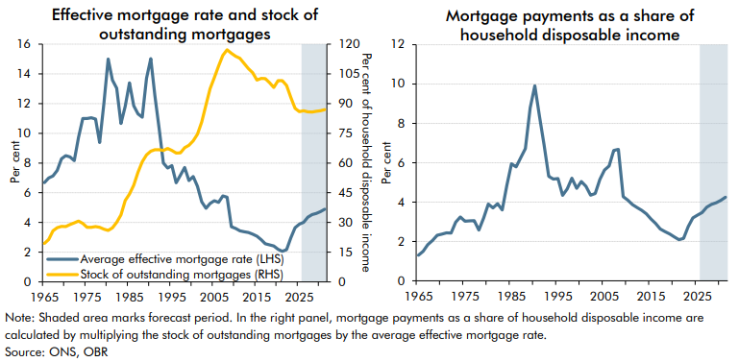

 |  | Average effective mortgage rate (LHS) | Stock of outstanding mortgages (RHS) |  | Mortgage payments as a share of household disposable income
 | 1965 | 6.7 | 19.4 | 1965 | 1.3
 | 1966 | 7.0 | 21.4 | 1966 | 1.5
 | 1967 | 7.1 | 25.8 | 1967 | 1.8
 | 1968 | 7.5 | 27.3 | 1968 | 2.0
 | 1969 | 8.3 | 28.0 | 1969 | 2.3
 | 1970 | 8.5 | 28.0 | 1970 | 2.4
 | 1971 | 8.4 | 29.0 | 1971 | 2.4
 | 1972 | 8.2 | 29.8 | 1972 | 2.4
 | 1973 | 9.7 | 30.7 | 1973 | 3.0
 | 1974 | 11.0 | 29.5 | 1974 | 3.2
 | 1975 | 11.0 | 27.6 | 1975 | 3.0
 | 1976 | 11.0 | 27.6 | 1976 | 3.0
 | 1977 | 11.0 | 27.9 | 1977 | 3.1
 | 1978 | 9.4 | 27.5 | 1978 | 2.6
 | 1979 | 12.0 | 26.6 | 1979 | 3.2
 | 1980 | 15.0 | 26.0 | 1980 | 3.9
 | 1981 | 13.6 | 27.3 | 1981 | 3.7
 | 1982 | 13.0 | 30.1 | 1982 | 3.9
 | 1983 | 10.7 | 33.8 | 1983 | 3.6
 | 1984 | 11.8 | 41.0 | 1984 | 4.8
 | 1985 | 13.4 | 44.4 | 1985 | 5.9
 | 1986 | 11.9 | 48.8 | 1986 | 5.8
 | 1987 | 11.3 | 55.4 | 1987 | 6.3
 | 1988 | 11.1 | 60.6 | 1988 | 6.7
 | 1989 | 13.7 | 64.1 | 1989 | 8.8
 | 1990 | 15.0 | 66.0 | 1990 | 9.9
 | 1991 | 12.6 | 66.7 | 1991 | 8.4
 | 1992 | 10.3 | 66.8 | 1992 | 6.9
 | 1993 | 8.0 | 66.3 | 1993 | 5.3
 | 1994 | 7.7 | 67.4 | 1994 | 5.2
 | 1995 | 7.8 | 66.4 | 1995 | 5.2
 | 1996 | 6.7 | 65.0 | 1996 | 4.3
 | 1997 | 7.2 | 65.1 | 1997 | 4.7
 | 1998 | 7.7 | 67.7 | 1998 | 5.2
 | 1999 | 6.8 | 68.9 | 1999 | 4.7
 | 2000 | 7.1 | 71.2 | 2000 | 5.1
 | 2001 | 6.4 | 74.5 | 2001 | 4.8
 | 2002 | 5.4 | 80.7 | 2002 | 4.4
 | 2003 | 5.0 | 89.4 | 2003 | 4.4
 | 2004 | 5.3 | 97.5 | 2004 | 5.1
 | 2005 | 5.5 | 103.0 | 2005 | 5.6
 | 2006 | 5.4 | 109.0 | 2006 | 5.8
 | 2007 | 5.8 | 114.3 | 2007 | 6.6
 | 2008 | 5.7 | 117.1 | 2008 | 6.7
 | 2009 | 3.7 | 115.4 | 2009 | 4.3
 | 2010 | 3.6 | 113.9 | 2010 | 4.1
 | 2011 | 3.4 | 112.8 | 2011 | 3.9
 | 2012 | 3.4 | 110.2 | 2012 | 3.7
 | 2013 | 3.3 | 107.7 | 2013 | 3.6
 | 2014 | 3.2 | 105.6 | 2014 | 3.4
 | 2015 | 3.1 | 101.8 | 2015 | 3.1
 | 2016 | 2.8 | 102.7 | 2016 | 2.9
 | 2017 | 2.6 | 102.6 | 2017 | 2.6
 | 2018 | 2.5 | 100.6 | 2018 | 2.5
 | 2019 | 2.4 | 98.2 | 2019 | 2.4
 | 2020 | 2.2 | 101.6 | 2020 | 2.2
 | 2021 | 2.1 | 101.5 | 2021 | 2.1
 | 2022 | 2.2 | 99.1 | 2022 | 2.2
 | 2023 | 3.0 | 93.1 | 2023 | 2.8
 | 2024 | 3.7 | 87.6 | 2024 | 3.2
 | 2025 | 3.9 | 86.0 | 2025 | 3.3
 | 2026 | 4.0 | 86.4 | 2026 | 3.5
 | 2027 | 4.4 | 85.9 | 2027 | 3.7
 | 2028 | 4.5 | 85.7 | 2028 | 3.9
 | 2029 | 4.6 | 86.1 | 2029 | 4.0
 | 2030 | 4.7 | 86.4 | 2030 | 4.1
 | 2031 | 4.9 | 87.0 | 2031 | 4.3

C2.18
Back to contents
 | Chart 2.18: Net additions to the housing stock

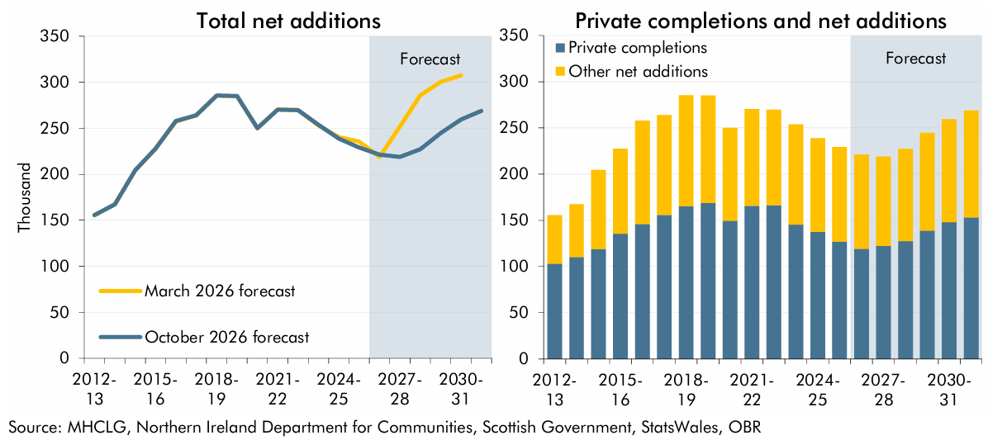

 | Total net additions | March 2026 forecast | October 2026 forecast | Private completions and net additions | Private completions | Other net additions
 | 2012-13 | 155.5 | 155.5 | 2012-13 | 103.2 | 52.4
 | 2013-14 | 167.6 | 167.4 | 2013-14 | 110.2 | 57.1
 | 2014-15 | 204.1 | 204.5 | 2014-15 | 118.9 | 85.6
 | 2015-16 | 228.1 | 227.7 | 2015-16 | 135.5 | 92.2
 | 2016-17 | 257.3 | 258.0 | 2016-17 | 145.8 | 112.2
 | 2017-18 | 264.2 | 264.0 | 2017-18 | 155.8 | 108.2
 | 2018-19 | 285.6 | 285.5 | 2018-19 | 165.3 | 120.2
 | 2019-20 | 284.9 | 285.2 | 2019-20 | 168.8 | 116.4
 | 2020-21 | 250.2 | 250.2 | 2020-21 | 149.7 | 100.5
 | 2021-22 | 270.5 | 270.4 | 2021-22 | 165.7 | 104.7
 | 2022-23 | 269.6 | 269.8 | 2022-23 | 166.2 | 103.5
 | 2023-24 | 253.2 | 254.0 | 2023-24 | 145.5 | 108.5
 | 2024-25 | 240.4 | 238.8 | 2024-25 | 137.6 | 101.2
 | 2025-26 | 235.7 | 229.1 | 2025-26 | 127.0 | 102.2
 | 2026-27 | 219.0 | 221.2 | 2026-27 | 119.2 | 102.0
 | 2027-28 | 252.1 | 218.9 | 2027-28 | 122.3 | 96.6
 | 2028-29 | 285.8 | 227.2 | 2028-29 | 127.4 | 99.9
 | 2029-30 | 300.5 | 244.9 | 2029-30 | 138.9 | 106.0
 | 2030-31 | 307.3 | 259.6 | 2030-31 | 148.1 | 111.5
 | 2031-32 |  | 268.9 | 2031-32 | 153.3 | 115.7

C2.19
Back to contents
 | Chart 2.19: Housing completions by residential planning permissions

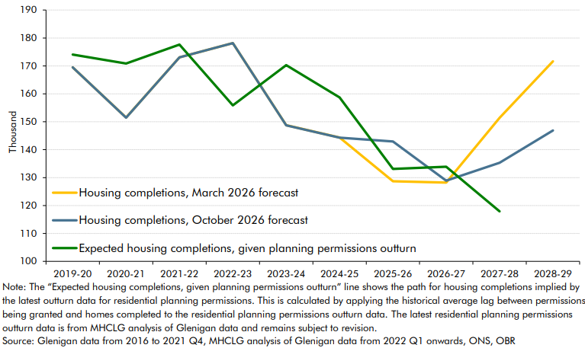

 |  | Housing completions, October 2026 forecast | Housing completions, March 2026 forecast | Expected housing completions, given planning permissions outturn
 | 2019-20 | 169.5 | 169.5 | 174.1
 | 2020-21 | 151.5 | 151.5 | 170.8
 | 2021-22 | 173.1 | 173.1 | 177.6
 | 2022-23 | 178.1 | 178.2 | 155.9
 | 2023-24 | 148.7 | 148.8 | 170.3
 | 2024-25 | 144.3 | 144.4 | 158.7
 | 2025-26 | 142.9 | 128.7 | 133.1
 | 2026-27 | 128.9 | 128.2 | 133.9
 | 2027-28 | 135.3 | 151.4 | 117.9
 | 2028-29 | 146.9 | 171.6

C2.20
Back to contents
 | Chart 2.20: Real GDP: comparison of external forecasts

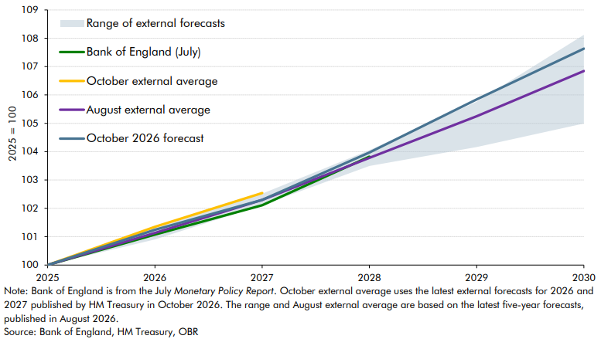

 |  | October 2026 forecast | Bank of England (July) | August external average | October external average | Lowest in range of external forecasts | Highest in range of external forecasts
 | 2025 | 100.0 | 100.0 | 100.0 | 100.0 | 100.0 | 100.0
 | 2026 | 101.2 | 101.1 | 101.1 | 101.3 | 100.9 | 101.3
 | 2027 | 102.3 | 102.1 | 102.3 | 102.5 | 102.1 | 102.5
 | 2028 | 104.0 | 103.8 | 103.8 |  | 103.5 | 104.1
 | 2029 | 105.8 |  | 105.2 |  | 104.2 | 105.8
 | 2030 | 107.6 |  | 106.8 |  | 105.0 | 108.1

